rice
Chemical | FL
Ethanol | Rice | Ref 1 | https://www.sciencedirect.com/science/article/pii/S096085241931452X?pes=vor#s0010 |  |  |  |  |  | Table 2
Ethanol | Rice |  | Application of industrial amylolytic yeast strains for the production of bioethanol from broken rice
Ethanol | Rice |  | C6H12O6 = 2 C2H5OH + 2 CO2 |  |  |  |  |  |  |  | The glucose in Rice: 82.67% (g/g)
Ethanol | Rice |  | Strain (fermentation configuration) | Ethanol (g/L) | YE/Sa ( | Q (g/L/h) b | Carbon conversion (mol C)c | Empty Cell | Theoretical yield g ethanol /L | Glucose needed to produce theoretical ethanol yield (g/L) | Rice needed (g) | Yield (g ethanol/g rice)
Ethanol | Rice |  |  |  | (%)
Ethanol | Rice |  | ER (SSF)d | 75.02 | 78 | 0.81 | 78% | 96 h | 96.18 | 188.18 | 227.62 | 0.33
Ethanol | Rice |  | ER T12 (supplemented CBP)e | 101.38 | 100 | 1.07 | 100% |  | 101.38 | 198.35 | 239.93 | 0.42
Ethanol | Rice |  | ER T12 (CBP) | 93.48 | 93 | 0.97 | 95% |  | 100.52 | 196.66 | 237.89 | 0.39
Ethanol | Rice |  | M2n (SSF)d | 79.45 | 81 | 0.85 | 81% |  | 98.09 | 191.91 | 232.14 | 0.34
Ethanol | Rice |  | M2n T1 (supplemented CBP)e | 97.3 | 99 | 1.04 | 99% |  | 98.28 | 192.29 | 232.60 | 0.42
Ethanol | Rice |  | M2n T1 (CBP) | 76.69 | 79 | 0.82 | 79% |  | 97.08 | 189.93 | 229.75 | 0.33
Ethanol | Rice |  | ER (SSF)d | 86.81 | 89 | 0.54 | 89% | 168 h | 97.54 | 190.84 | 230.84 | 0.38
Ethanol | Rice |  | ER T12 (supplemented CBP)e | 99.49 | 100 | 0.6 | 100% |  | 99.49 | 194.65 | 235.46 | 0.42
Ethanol | Rice |  | ER T12 (CBP) | 100.83 | 100 | 0.6 | 100% |  | 100.83 | 197.28 | 238.63 | 0.42
Ethanol | Rice |  | M2n (SSF)d | 90.4 | 92 | 0.55 | 92% |  | 98.26 | 192.25 | 232.55 | 0.39
Ethanol | Rice |  | M2n T1 (supplemented CBP)e | 99.59 | 100 | 0.61 | 100% |  | 99.59 | 194.85 | 235.70 | 0.42
Ethanol | Rice |  | M2n T1 (CBP) | 100.23 | 100 | 0.6 | 100% |  | 100.23 | 196.10 | 237.21 | 0.42
Ethanol | Rice |  | AVRG |  |  |  |  |  |  |  |  | 0.39
Ethanol | Rice |  | YE/S represents percentage of the maximum theoretical ethanol yield as calculated from total available glucose equivalents.
Ethanol | Rice | Ref 2 | https://pubs.rsc.org/en/content/articlelanding/2015/ra/c5ra17797a |  |  |  | Table 4
Ethanol | Rice |  | Improving alkaline pretreatment method for preparation of whole rice waste biomass feedstock and bioethanol production
Ethanol | Rice |  |  |  |  |  |  |  |  | The glucose in Rice: 82.67% (g/g)
Ethanol | Rice |  | RWB hydrolysates | Initial sugar concentration (g L−1) | Sugar consumption (%) | Ethanol (g L−1) | Volumetric ethanol production (g L−1 h−1) | Ethanol yield (g g−1) | Ethanol yield (g g−1sugar ) | Ethanol yield (g g−1 rice )
Ethanol | Rice |  | NaOH | 20 | 90 ± 0.85 | 8.35 ± 0.55 | 0.23 ± 0.01 | 0.463 ± 0.01 | 0.463 | 0.3827621
Ethanol | Rice |  | NaOH + H2O2 | 20 | 94 ± 0.92 | 8.65 ± 0.54 | 0.24 ± 0.02 | 0.460 ± 0.02 | 0.46 | 0.380282
Ethanol | Rice |  | NaOH + ASC | 20 | 95 ± 0.88 | 8.82 ± 0.61 | 0.25 ± 0.01 | 0.464 ± 0.02 | 0.464 | 0.3835888
Ethanol | Rice |  | NaOH + SB | 20 | 94 ± 0.92 | 8.75 ± 0.64 | 0.24 ± 0.01 | 0.465 ± 0.02 | 0.465 | 0.3844155
Ethanol | Rice |  | NaOH + ASC + SB | 20 | 95 ± 0.85 | 8.85 ± 0.63 | 0.25 ± 0.02 | 0.465 ± 0.03 | 0.465 | 0.3844155
Ethanol | Rice |  | Mixture of sugars | 20 | 94 ± 0.85 | 8.84 ± 0.55 | 0.24 ± 0.02 | 0.470 ± 0.03 | 0.47 | 0.388549
Ethanol | Rice |  | AVRG |  |  |  |  |  | 0.4645 | 0.38400215
Ethanol | Rice
Ethanol | Rice | Ref 3 | https://www.sciencedirect.com/science/article/pii/S0196890424000463?pes=vor#b0250
Ethanol | Rice |  | Consolidated bioprocessing of the organic fraction of municipal solid waste into bioethanol
Ethanol | Rice |  | Table 2. Conversion of OFMSW, BP and DR to ethanol and other byproducts, separately or in combination, using S. cerevisiae parental strain ER V1 and its recombinant ER T12.7, after 72 or 96 h.
Ethanol | Rice |  | Time (h) | 72 |  |  |  |  |  | 96
Ethanol | Rice |  | Product (g/L) | OFMSW |  | BP |  | Enriched OFMSW a |  | DR (discolored rice) |  | Enriched OFMSW + DR |  | Ethanol production (g/L) | Ethanol yield (% of the theoretical yield) | Theoretical yield g ethanol /L | Glucose needed to produce theoretical ethanol yield (g/L) | Rice needed (g) | Yield (g ethanol/g rice)
Ethanol | Rice |  |  | ER V1 | ER T12.7 | ER V1 | ER T12.7 | ER V1 | ER T12.7 | ER V1 | ER T12.7 | ER V1 | ER T12.7
Ethanol | Rice |  | Glucose | 0.07 ± 0.02 | 0.38 ± 0.09 | 0 | 0.12 ± 0.01 | 0.19 ± 0.01 | 0.18 ± 0.01 | 0.30 ± 0.02 | 0.27 ± 0.02 | 0.18 ± 0.01 | 2.39 ± 0.16
Ethanol | Rice |  | Maltose | 0.07 ± 0.01 | 0.24 ± 0.05 | 0.11 ± 0.02 | 0.65 ± 0.01 | 0.12 ± 0.01 | 0.78 ± 0.04 | 0.08 ± 0.005 | 0.87 ± 0.05 | 0.22 ± 0.01 | 0.64 ± 0.04
Ethanol | Rice |  | Glycerol | 0.38 ± 0.03 | 0.49 ± 0.02 | 0.20 ± 0.18 | 2.62 ± 0.04 | 0.92 ± 0.06 | 1.07 ± 0.07 | 1.21 ± 0.07 | 4.02 ± 0.23 | 0.97 ± 0.07 | 4.85 ± 0.31
Ethanol | Rice |  | Ethanol | 3.95 ± 0.15 | 6.39 ± 0.45 | 6.68 ± 0.44 | 23.30 ± 0.55 | 5.58 ± 0.31 | 11.28 ± 0.76 | 7.10 ± 0.47 | 53.18 ± 2.56 | 12.05 ± 0.47 | 66.22 ± 3.43 | 53.18 | 97% | 54.824742268 | 107.27 | 129.75178431 | 0.40985948889
Ethanol | Rice |  | Ethanol yield a |  | 100 ± 7 |  | 100 ± 1 |  | 100 ± 1 |  | 97 ± 3 |  | 96 ± 3
Ethanol | Rice |  | Q (g/L/h) | 0.05 | 0.09 | 0.09 | 0.32 | 0.08 | 0.19 | 0.07 | 0.55 | 0.13 | 0.69
Ethanol | Rice |  | Qmax (g/L/h)b | 0.13 | 0.25 | 0.24 | 0.81 | 0.23 | 0.47 | 0.17 | 1.22 | 0.27
Ethanol | Rice |  | Ethanol yield (% of the theoretical yield) was calculated as the amount of ethanol produced per gram of available glucose
Ethanol | Rice
Ethanol | Rice | Ref 4 | https://www.nature.com/articles/s41598-022-06245-0/tables/2 |  |  |  | Table 2
Ethanol | Rice |  | Evaluation of different strains of Saccharomyces cerevisiae for ethanol production from high-amylopectin BRS AG rice (Oryza sativa L.)
Ethanol | Rice |  | Table 2 BRS AG rice fermentation with different strains of Saccharomyces cerevisiae parameters (N.B. standard deviation was determined from the essays carried out in triplicate).
Ethanol | Rice |  |  | BG-1 | CAT-1 | FT-858 | JP-1 | PE-2 | SA-1
Ethanol | Rice |  | Ethanol (g L−1) | 54.67 ± 4.36 | 61.25 ± 9.02 | 62.45 ± 6.43 | 58.56 ± 11.52 | 54.10 ± 6.67 | 57.80 ± 12.61
Ethanol | Rice |  | Glycerol (g L−1) | 5.21 ± 1.03 | 5.82 ± 0.80 | 5.34 ± 0.68 | 4.15 ± 0.59 | 3.31 ± 0.21 | 7.20 ± 0.54
Ethanol | Rice |  | Yield (%) | 78.99 | 87.87 | 89.55 | 84.3 | 85.22 | 83.32
Ethanol | Rice |  | YE/S | 0.4 | 0.45 | 0.46 | 0.43 | 0.44 | 0.43
Ethanol | Rice |  | YG/S | 0.04 | 0.04 | 0.04 | 0.03 | 0.03 | 0.05
Ethanol | Rice |  | Productivity (gethanol L−1 h−1) | 1.14 | 1.28 | 1.3 | 1.22 | 1.13 | 1.2
Ethanol | Rice |  | Substrate consumption rates (gglucose L−1 h−1) | 2.82 | 2.84 | 2.84 | 2.83 | 2.59 | 2.83
Ethanol | Rice |  | Residual glucose (g L−1) | 1.03 ± 1.79 | 0.06 ± 0.11 | 0 | 0.53 ± 0.09 | 12.26 ± 2.02 | 0.72 ± 0.21
Ethanol | Rice
Ethanol | Rice |  | Ethanol (g L−1) | 54.67 | 61.25 | 62.45 | 58.50 | 54.10 | 57.80
Ethanol | Rice |  | glucose (substrate) conversion factors in ethanol (YE/S) | 0.40 | 0.45 | 0.46 | 0.43 | 0.44 | 0.43
Ethanol | Rice |  | Residual glucose (g L−1) | 1.03 | 0.06 | 0 | 0.53 | 12.26 | 0.72
Ethanol | Rice |  | Glucose needed to Ethanol (g L−1) | 106.96304348 | 119.83695652 | 122.18478261 | 114.45652174 | 105.84782609 | 113.08695652
Ethanol | Rice |  | total glucose (g L−1) | 107.99304348 | 119.89695652 | 122.18478261 | 114.98652174 | 118.10782609 | 113.80695652
Ethanol | Rice |  | Rice needed (g/L) | 130.63147874 | 145.03079294 | 147.79821291 | 139.09099037 | 142.86660952 | 137.6641545
Ethanol | Rice |  | Yield (g ethanol/g rice) | 0.41850555873 | 0.42232410621 | 0.42253555556 | 0.42058798952 | 0.3786749065 | 0.41986238329
Ethanol | Rice |  | AVRG | 0.41374841663
Ethanol | Rice
Ethanol | Rice |  | Table 1 BRS PAMPA rice fermentation parameters with different strains of Saccharomyces cerevisiae (N.B. standard deviation was determined from the essays carried out in triplicate).
Ethanol | Rice |  |  | BG-1 | CAT-1 | FT-858 | JP-1 | PE-2 | SA-1
Ethanol | Rice |  | Ethanol (g L−1) | 49.96 ± 9.67 | 58.93 ± 12.85 | 54.22 ± 4.12 | 53.43 ± 2.57 | 55.01 ± 2.67 | 58.92 ± 10.83
Ethanol | Rice |  | Glycerol (g L−1) | 3.91 ± 0.76 | 5.17 ± 1.04 | 4.84 ± 0.62 | 4.33 ± 0.27 | 3.12 ± 0.24 | 6.67 ± 0.72
Ethanol | Rice |  | Yield (%) | 78.56 | 92.68 | 85.27 | 84.14 | 86.64 | 93.04
Ethanol | Rice |  | YE/S | 0.4 | 0.47 | 0.44 | 0.43 | 0.44 | 0.48
Ethanol | Rice |  | YG/S | 0.03 | 0.04 | 0.04 | 0.04 | 0.03 | 0.05
Ethanol | Rice |  | Productivity (gethanol L−1 h−1) | 1.04 | 1.23 | 1.13 | 1.11 | 1.15 | 1.23
Ethanol | Rice |  | Substrate consumption rates (gglucose L−1 h−1) | 2.59 | 2.59 | 2.59 | 2.59 | 2.59 | 2.58
Ethanol | Rice |  | Residual glucose (g L−1) | 0 | 0 | 0 | 0.17 ± 0.30 | 0.20 ± 0.35 | 0.51 ± 0.23
Ethanol | Rice |  | Ethanol (g L−1) | 49.96 | 58.93 | 54.22 | 53.43 | 55.01 | 58.92
Ethanol | Rice |  | glucose (substrate) conversion factors in ethanol (YE/S) | 0.40 | 0.47 | 0.44 | 0.43 | 0.44 | 0.48
Ethanol | Rice |  | Residual glucose (g L−1) | 0.00 | 0.00 | 0.00 | 0.17 | 0.20 | 0.51
Ethanol | Rice |  | Glucose needed to Ethanol (g L−1) | 97.75 | 115.30 | 106.08 | 104.54 | 107.63 | 115.28
Ethanol | Rice |  | total glucose (g L−1) | 97.747826087 | 115.29782609 | 106.0826087 | 104.71 | 107.82826087 | 115.78826087
Ethanol | Rice |  | Rice needed (g/L) | 118.23857032 | 139.46755303 | 128.32056211 | 126.65653384 | 130.43215298 | 140.06079699
Ethanol | Rice |  | Yield (g ethanol/g rice) | 0.42253555556 | 0.42253555556 | 0.42253555556 | 0.42184953576 | 0.42175183605 | 0.420674459
Ethanol | Rice |  | AVRG | 0.42198041625
Ethanol | Rice
Ethanol | Rice hull | ref 1 | https://www.scopus.com/record/display.uri?eid=2-s2.0-84859838302&origin=resultslist&sort=plf-f&src=s&sid=770bdfea32c2728de40361b11b940c79&sot=a&sdt=a&s=TITLE-ABS-KEY%28%28%22rice+hull%22%29+AND+%28%22ethanol+production%22%29%29&sl=55&sessionSearchId=770bdfea32c2728de40361b11b940c79&relpos=13
Ethanol | Rice hull |  | Bioethanol production from acid-pretreated rice hull
Ethanol | Rice hull |  | ethanol yield (0.47 g-ethanol/g-glucose) of rice-hull hydrolysate
Ethanol | Rice hull
Ethanol | Rice hull |  | Table 2. Composition of media for ethanol fermentation.
Ethanol | Rice hull |  | Medium | Glucose (g/L) | HMF (mg/L) | Furfural (mg/L) | Acetic acid (mg/L)
Ethanol | Rice hull |  | Reference | 20.2±1.0 | - | - | -
Ethanol | Rice hull |  | Rice hulla | 19.8±0.8 | 50±1.3 | 204±1.7 | 1469±2.1
Ethanol | Rice hull |  | aRice hull hydrolysate was prepared under the conditions of 5-h impregnation and 2-h hydrolysis with a 2 : 1 acid-to-biomass ratio. Valuesare given as the mean±standard deviation of three replicates.
Ethanol | Rice hull
Ethanol | Rice hull |  | Table 3. Effect of inhibitors on ethanol fermentation.
Ethanol | Rice hull |  | Medium | Glucose consumption(%) | Ethanol yield(g/g glucose)a | Specific growthrate (h−1) | CFU(cells/mL)
Ethanol | Rice hull |  | Reference | 100 | 0.49 | 0.18 | 1.4×108
Ethanol | Rice hull |  | Rice hulla | 100 | 0.47 | 0.158 | 9.0×107
Ethanol | Rice hull |  | aEthanol yield based on consumed glucose in each medium. All data were obtained after ethanol fermentation for 18 h
Ethanol | Rice hull
Ethanol | Rice hull |  | glucose content (g/g rice hull) | 35.08%
Ethanol | Rice hull |  | Ethanol yield(g/g glucose) | 0.164876
Ethanol | Rice hull
Ethanol | Rice hull | ref 2 | https://aiche.onlinelibrary.wiley.com/doi/10.1002/btpr.2275
Ethanol | Rice hull |  | Ethanol production from rice hull using Pichia stipitis and optimization of acid pretreatment and detoxification processes
Ethanol | Rice hull |  | Table 5. Ethanol Production from Base-line Mediums and Nondetoxified and Detoxified Hydrolysates by Using Pichia stipis ATCC 58784
Ethanol | Rice hull |  | Process | Kinetic Parameters
Ethanol | Rice hull |  |  | S (g/L) sugar consumed | P (g/L) ethanol produced | X (g/L)biomass produced | YP/S (%) yield | QS (g/L/h) | QP (g/L/h) | QX (g/L/h) | SUY (%) | YP/S (%) yield
Ethanol | Rice hull |  | Control (glucose) | 10.38 ± 0.42 | 4.84b ± 0.05 | 5.31a ± 0.01 | 46.57a ± 1.26 | 0.32cd ± 0.02 | 0.24a ± 0.01 | 0.13a ± 0.02 | 84.69a ± 3.32
Ethanol | Rice hull |  | Control (xylose) | 10.88 ± 0.34 | 5.37a ± 0.09 | 3.87b ± 0.06 | 49.41a ± 0.65 | 0.41b ± 0.01 | 0.20b ± 0.00 | 0.07ab ± 0.00 | 82.37a ± 0.80
Ethanol | Rice hull |  | Nondetoxified RHH | 15.37 ± 0.28 | 1.16f ± 0.02 | 3.54bc ± 0.45 | 7.55d ± 0.04 | 0.11f ± 0.02 | 0.02g ± 0.01 | 0.05b ± 0.02 | 69.89b ± 1.29
Ethanol | Rice hull |  | Process-1 (CaO) | 12.85 ± 0.90 | 2.85e ± 0.05 | 2.71c ± 0.34 | 22.16c ± 1.95 | 0.35bc ± 0.03 | 0.09e ± 0.00 | 0.07ab ± 0.01 | 73.68b ± 0.19 | 22.16
Ethanol | Rice hull |  | Process-2 (CaO) | 15.58 ± 1.11 | 5.56a ± 0.02 | 3.20bc ± 0.37 | 35.69b ± 2.41 | 0.66a ± 0.04 | 0.18c ± 0.00 | 0.12a ± 0.03 | 79.65a ± 0.18 | 35.69
Ethanol | Rice hull |  | Process-3 (NaOH) | 12.43 ± 0.38 | 4.15c ± 0.07 | 3.53bc ± 0.42 | 33.43b ± 0.55 | 0.24de ± 0.02 | 0.11d ± 0.00 | 0.08ab ± 0.02 | 59.66c ± 2.64 | 33.43
Ethanol | Rice hull |  | Process-4 (NaOH) | 12.17 ± 0.86 | 3.93c ± 0.07 | 2.69c ± 0.31 | 32.32b ± 1.74 | 0.29cd ± 0.02 | 0.07f ± 0.00 | 0.08ab ± 0.02 | 59.65c ± 0.13 | 32.32
Ethanol | Rice hull |  | Process-5 (NaOH) | 12.56 ± 0.25 | 3.21d ± 0.10 | 3.21bc ± 0.36 | 25.53c ± 0.30 | 0.28cde ± 0.03 | 0.07f ± 0.00 | 0.07ab ± 0.02 | 63.07c ± 1.32 | 25.53
Ethanol | Rice hull |  | Process-6 (Charcoal) | 12.72 ± 0.99 | 4.05c ± 0.10 | 2.84bc ± 0.30 | 31.80b ± 1.39 | 0.20e ± 0.03 | 0.08ef ± 0.01 | 0.08ab ± 0.02 | 72.09b ± 0.18 | 31.8
Ethanol | Rice hull |  | Values are given as the mean ± standard deviation of two replicates. Different letters in the same column indicate statistically significance between mean values (P < 0.05).
Ethanol | Rice hull |  | sugar consumed (S), ethanol produced (P), biomass produced (X), yield (YP/S), maximum substrate consumption rate (QS), maximum ethanol production rate (QP), maximum biomass growth rate (QX), and sugar utilization yield (SUY)
Ethanol | Rice hull |  | AVRG |  |  |  |  |  |  |  |  | 30.155
Ethanol | Rice hull
Ethanol | Rice hull
Ethanol | Rice hull |  | Table 6. Ethanol Production from Base-line Mediums and Nondetoxified and Detoxified Hydrolysates by Using Pichia stipis ATCC 58785
Ethanol | Rice hull |  | Process | Kinetic Parameters
Ethanol | Rice hull |  |  | S (g/L) | P (g/L) | X (g/L) | YP/S (%) | QS (g/L/h) | QP (g/L/h) | QX (g/L/h) | SUY (%) | YP/S (%) yield
Ethanol | Rice hull |  | Control (glucose) | 15.60 ± 0.21 | 7.32a ± 0.04 | 5.08abc ± 0.11 | 46.90a ± 0.84 | 1.50a ± 0.06 | 0.30a ± 0.00 | 0.16a ± 0.02 | 89.87a ± 0.18
Ethanol | Rice hull |  | Control (xylose) | 20.25 ± 0.31 | 5.54b ± 0.03 | 4.38abc ± 0.02 | 27.37cd ± 0.54 | 0.40b ± 0.01 | 0.13bc ± 0.00 | 0.06ab ± 0.00 | 87.83b ± 0.16
Ethanol | Rice hull |  | Nondetoxified RHH | 14.41 ± 1.15 | 4.31d ± 0.04 | 2.97c ± 0.62 | 29.89c ± 2.05 | 0.21d ± 0.02 | 0.08d ± 0.00 | 0.04b ± 0.02 | 69.80g ± 0.23
Ethanol | Rice hull |  | Process-1 (CaO) | 9.43 ± 0.65 | 2.84h ± 0.10 | 3.12bc ± 0.65 | 30.10c ± 0.79 | 0.24cd ± 0.01 | 0.12cd ± 0.01 | 0.11ab ± 0.04 | 63.27h ± 0.94 | 30.1
Ethanol | Rice hull |  | Process-2 (CaO) | 10.57 ± 0.76 | 4.05de ± 0.09 | 2.97c ± 0.06 | 38.33b ± 1.89 | 0.34bc ± 0.02 | 0.17b ± 0.01 | 0.08ab ± 0.02 | 71.22f ± 0.21 | 38.33
Ethanol | Rice hull |  | Process-3 (NaOH) | 14.67 ± 1.07 | 3.81ef ± 0.06 | 5.60ab ± 0.71 | 25.97cd ± 1.47 | 0.33bc ± 0.03 | 0.10cd ± 0.03 | 0.10ab ± 0.04 | 74.86e ± 0.17 | 25.97
Ethanol | Rice hull |  | Process-4 (NaOH) | 14.02 ± 1.00 | 3.45fg ± 0.09 | 5.02abc ± 1.23 | 24.60d ± 1.13 | 0.30bcd ± 0.03 | 0.08d ± 0.01 | 0.11ab ± 0.04 | 77.59c ± 0.19 | 24.6
Ethanol | Rice hull |  | Process-5 (NaOH) | 12.60 ± 1.07 | 3.35g ± 0.17 | 5.64ab ± 0.71 | 26.59cd ± 0.59 | 0.29cd ± 0.03 | 0.08d ± 0.02 | 0.14ab ± 0.05 | 76.04d ± 0.19 | 26.59
Ethanol | Rice hull |  | Process-6 (Charcoal) | 12.96 ± 0.92 | 4.87c ± 0.24 | 6.03a ± 1.24 | 37.55b ± 0.98 | 0.24cd ± 0.03 | 0.10cd ± 0.01 | 0.10ab ± 0.04 | 77.96c ± 0.21 | 37.55
Ethanol | Rice hull |  | Values are given as the mean ± standard deviation of two replicates. Different letters in the same column indicate statistically significance between mean values (P < 0.05).
Ethanol | Rice hull |  | AVRG |  |  |  |  |  |  |  |  | 30.523333333
Ethanol | Rice hull
Ethanol | Rice hull | ref 3 | https://www.sciencedirect.com/science/article/pii/S0960852410020237?pes=vor#t0005
Ethanol | Rice hull |  | Conversion of sugars present in rice hull hydrolysates into ethanol by Spathaspora arborariae, Saccharomyces cerevisiae, and their co-fermentations
Ethanol | Rice hull |  | Table 1. Kinetic parameters for Saccharomyces cerevisiae ICV 254D, Spathaspora arborariae UFMG-HM19.1A, and for the co-culture of both yeasts in synthetic medium (G20X20A10) or rice hull hydrolysate (RHH).
Ethanol | Rice hull |  | Medium | Microorganism | Ethanol |  |  | Xylitol
Ethanol | Rice hull |  |  |  | YP/Se.g. (g g−1) | YP/Set (g g−1) | Qp (g L−1 h−1) | YP/Sxy (g g−1) | yield (g ethanol/ a gulose) | yield (g ethanol/ a sugar)
Ethanol | Rice hull |  | G20X20A10
Ethanol | Rice hull |  |  | S. cerevisiae | 0.53 |  | 0.4 | –
Ethanol | Rice hull |  |  | S. arborariae |  | 0.46 | 0.21 | 0.13
Ethanol | Rice hull |  |  | Co-culture |  | 0.77 | 0.69 | 0.79
Ethanol | Rice hull
Ethanol | Rice hull |  | RHH
Ethanol | Rice hull |  |  | S. cerevisiae | 0.52 |  | 0.38 | – | 0.52
Ethanol | Rice hull |  |  | S. arborariae |  | 0.45 | 0.16 | 0.33 |  | 0.45
Ethanol | Rice hull |  |  | Co-culture |  | 0.62 | 0.25 | 0.45 |  | 0.62
Ethanol | Rice hull |  | �P/Seg: Ethanol coefficient yield (g ethanol per g glucose consumed);
Ethanol | Rice hull |  | �P/Set: Ethanol coefficient yield (g ethanol per g total sugar consumed);
Ethanol | Rice hull |  | �P/Sxy: Xylitol coefficient yield (g xylitol per g xylose consumed).
Ethanol | Rice hull |  | sugar content |  |  |  |  |  |  | 0.4807
Ethanol | Rice hull |  | glucose ocntent |  |  |  |  |  | 0.3508
Ethanol | Rice hull |  | yield (g ethanol/ a rice hull) |  |  |  |  |  | 0.182416 | 0.2571745
Ethanol | Rice hull
Ethanol | Rice hull | ref 4 | https://www.scopus.com/record/display.uri?eid=2-s2.0-79955907236&origin=resultslist&sort=plf-f&src=s&sid=770bdfea32c2728de40361b11b940c79&sot=a&sdt=a&s=TITLE-ABS-KEY%28%28%22rice+hull%22%29+AND+%28%22ethanol+production%22%29%29&sl=55&sessionSearchId=770bdfea32c2728de40361b11b940c79&relpos=15
Ethanol | Rice hull |  | Process simulation of fuel ethanol production from lignocellulosics using aspen plus
Ethanol | Rice hull |  | It was found that the dilute acid pretreatment had a higher ethanol yield (347.25 L/t) and lower energy consumption (86.75 MJ/L) than liquid hot water pretreatment.
Ethanol | Rice hull |  | yield (L ethanol /ton rice hull) | 347.25
Ethanol | Rice hull |  | yield (g ethanol/ a rice hull) | 0.2743275
Ethanol | Rice hull
Ethanol | Rice hull | ref 5 | https://www.sciencedirect.com/science/article/pii/S0960852412019931?pes=vor
Ethanol | Rice hull |  | Ethanogenic fermentation of co-cultures of Candida shehatae HM 52.2 and Saccharomyces cerevisiae ICV D254 in synthetic medium and rice hull hydrolysate
Ethanol | Rice hull |  | Table 2. Kinetic parameters obtained for pure cultures of C. shehatae HM 52.2, and for the co-cultivations of C. shehatae HM 52.2 and S. cerevisiae ICV 254D in synthetic medium and rice hull hydrolysate (RHH).
Ethanol | Rice hull |  | Yeast | Conditions |  | G20X20A10 |  | G30X15A5 |  | RHH
Ethanol | Rice hull |  | Empty Cell |  |  | YP/S (g g−1) | YX/X (g g−1) | YP/S (g g−1) | YX/X (g g−1) | YP/S (g g−1) | YX/X (g g−1)
Ethanol | Rice hull |  | C. shehatae | Orbital shaker |  | 0.4 | 0.45 | – | – | 0.4 | 0.13
Ethanol | Rice hull |  | S. cerevisiae + C. shehatae |  |  | 0.42 | 0.2 | – | – | 0.51 | 0.13
Ethanol | Rice hull |  | S. cerevisiae + C. shehatae | Bioreactor | Anaerobic | – | – | 0.5 | 0 | 0.48 | 0
Ethanol | Rice hull |  |  |  | Oxygen limitation | – | – | 0.51 | 0.24 | 0.44 | 0.11
Ethanol | Rice hull |  | YP/S, ethanol coefficient yield (g ethanol per g total sugar consumed); YX/X, xylitol coefficient yield (g xylitol per g xylose consumed).
Ethanol | Rice hull |  | Avrg yied |  |  |  |  |  |  | 0.4575
Ethanol | Rice hull |  | sugar content |  |  |  |  |  |  | 0.4807
Ethanol | Rice hull |  | yield (g ethanol/ a rice hull) |  |  |  |  |  |  | 0.21992025
Ethanol | Rice hull
Ethanol | rice bran | ref 1 | https://www-sciencedirect-com.ezproxy.library.wur.nl/science/article/pii/S1871678414006736#sec0065
Ethanol | rice bran |  | Biofilm production by Zymomonas mobilis enhances ethanol production and tolerance to toxic inhibitors from rice bran hydrolysate
Ethanol | rice bran |  | Table 2. Concentrations of ethanol produced by Z. mobilis ZM4, TISTR 405, 548, 550 and 551 biofilms and planktonic cells after 4 days of fermentation in rice bran hydrolysate (standard deviation n = 3).
Ethanol | rice bran |  | Z. mobilis strain | Biofilm |  | Planktonic
Ethanol | rice bran |  |  | Ethanol production (g/L) | %Theoretical yield | Ethanol production (g/L) | %Theoretical yield | Ethanol production (g/L) | %Theoretical yield | Theoretical Ethanol production (g/L) | Glucose needed to produce theoretical ethanol yield (g/L) | Rice bran needed (g/L) | Yield (g ethanol/g rice)
Ethanol | rice bran |  | ZM4 | 13.40 ± 2.43 | 72.47 ± 6.13% | 0.432 ± 0.29 | 3.71 ± 5.24 | 13.4 | 72.47% | 18.490409825 | 36.18 | 218.06 | 0.06
Ethanol | rice bran |  | 405 | 6.34 ± 3.46 | 40.05 ± 99.24% | 0.0154 ± 0.0134 | 2.43 ± 2.11 | 6.34 | 40.05% | 15.830212235 | 30.97 | 186.69 | 0.03
Ethanol | rice bran |  | 548 | 0 | 0 | 0.0304 ± 0.0527 | 0.67 ± 1.160
Ethanol | rice bran |  | 550 | 3.498 ± 5.41 | 20.45 ± 34.74% | 0.031 ± 0.0545 | 0.654 ± 1.133 | 3.498 | 20.45% | 17.105134474 | 33.47 | 201.73 | 0.02
Ethanol | rice bran |  | 551 | 8.956 ± 4.06 | 48.37 ± 16.64% | 0.0846 ± 0.064 | 2.046 ± 1.58 | 8.956 | 48.37% | 18.515608848 | 36.23 | 218.36 | 0.04
Ethanol | rice bran |  | AVRG |  |  |  |  |  |  |  |  |  | 0.04
Ethanol | rice bran
Ethanol | rice bran
Ethanol | rice bran | Ref 2
Ethanol | rice bran |  | Table 4 Alcohol yields after fermentation of the hydrolysates of various pretreated deoiled rice bran residues after bioconversion with crude enzyme preparation from Aspergillus niger P-19
Ethanol | rice bran |  | From: A low-cost process for efficient hydrolysis of deoiled rice bran and ethanol production using an inhouse produced multi-enzyme preparation from Aspergillus niger P-19
Ethanol | rice bran |  | Treatment | Alcohol yields in the enzymatic hydrolysate
Ethanol | rice bran |  |  | Initial sugar | Residual | Sugars utilized | Maximum alcohol obtainable (g/l) | Alcohol obtained (ml/l) | Alcohol obtained (g/l) | Alcohol yield | Fermentation efficiency (%)
Ethanol | rice bran |  |  |  |  |  |  |  |  | (g/g of sugar)
Ethanol | rice bran |  |  | (mg/ml) | sugar (mg/ml) | (mg/ml)
Ethanol | rice bran |  | Control (Steam at | 89 | 32.73 | 56.27 | 28.7 | 28.4 | 22.66 ± 0.13 | 0.4 | 78.96
Ethanol | rice bran
Ethanol | rice bran |  | 15 psi for 15 min)
Ethanol | rice bran |  | H2SO4 + steam | 92.09 | 35.32 | 56.77 | 28.95 | 23.24 | 18.55 ± 0.12 | 0.33 | 64.08
Ethanol | rice bran |  | HCl + steam | 90.25 | 37.49 | 52.76 | 26.91 | 20.52 | 16.37 ± 0.08 | 0.31 | 60.83
Ethanol | rice bran |  | CH3COOH + steam | 87.36 | 34.64 | 52.72 | 26.89 | 19.81 | 15.81 ± 0.09 | 0.3 | 58.79
Ethanol | rice bran |  | HNO3 + steam | 89.39 | 36.99 | 52.4 | 26.72 | 19.94 | 15.91 ± 0.06 | 0.3 | 59.54
Ethanol | rice bran |  | H3PO4 + steam | 90.59 | 39.75 | 50.84 | 25.93 | 19.69 | 15.71 ± 0.08 | 0.31 | 60.59
Ethanol | rice bran |  | NaOH + steam | 85.42 | 36.42 | 49 | 24.99 | 18.34 | 14.64 ± 0.10 | 0.3 | 58.58
Ethanol | rice bran |  | NH3 + steam | 71.79 | 32.15 | 39.64 | 20.22 | 11.47 | 9.15 ± 0.03 | 0.23 | 45.25
Ethanol | rice bran |  | KOH + steam | 73.93 | 36.64 | 37.29 | 19.02 | 12.06 | 9.62 ± 0.06 | 0.26 | 50.57
Ethanol | rice bran |  | Ca(OH)2 + steam | 82.04 | 40.07 | 41.97 | 21.4 | 12.34 | 9.85 ± 0.08 | 0.23 | 46.02
Ethanol | rice bran |  | avrg |  |  |  |  |  |  | 0.28555555556
Ethanol | rice bran |  | total sugar (g/g of rice bran) |  |  |  |  |  |  | 0.2656
Ethanol | rice bran |  | Alcohol yield (g/g of rice bran) |  |  |  |  |  |  | 0.075843555556
Ethanol | rice bran
Ethanol | rice bran
Ethanol | rice bran | ref 3 | https://www.degruyter.com/document/doi/10.2202/1556-3758.1453/html
Ethanol | rice bran |  | Bioconversion of De-Oiled Rice Bran (DORB) Hemicellulosic Hydrolysate into Ethanol by Pichia stipitis NCM3499 under Optimized Conditions
Ethanol | rice bran |  | Table 2: Fermentation profile of DORB hydrolysate (3.5% H2SO4 v/v) after overliming by P. stipitis NCIM3499 at 30 oC, 200 rpm and pH-5.5 after 72 h of incubation
Ethanol | rice bran |  | Parameters | Values | Values | total sugar (g/g rice bran) | Alcohol yield (g/g of rice bran)
Ethanol | rice bran |  | Initial sugars (gs/l) | 33.55±0.44 | 33.55
Ethanol | rice bran |  | Sugars utilized (%) | 88.50±0.56 | 88.5
Ethanol | rice bran |  | Ethanol produced (gp/l) | 12.47±0.26 | 12.47
Ethanol | rice bran |  | Biomass (gx/l) | 6.25±0.40 | 6.25
Ethanol | rice bran |  | Ethanol yield (gp/gs) | 0.42±0.021 | 0.42 | 0.2656 | 0.111552
Ethanol | rice bran |  | Biomass yield (gx/gs) | 0.21±0.01 | 0.21
Ethanol | rice bran |  | Ethanol productivity (gp/l/h) | 0.173±0.002 | 0.173
Ethanol | rice bran |  | Ethanol fermentation efficiency (%) | 81.74±0.55 | 81.74
Ethanol | rice bran
Ethanol | rice bran
Ethanol | rice bran | ref 4 | https://link.springer.com/article/10.1007/s12355-013-0219-8
Ethanol | rice bran |  | Evaluation of Rice Bran Extract as a Nitrogen Source for Improved Hemicellulosic Ethanol Production from Sugarcane Bagasse by New Xylose-Fermenting Yeast Strains Isolated from Brazilian Forests
Ethanol | rice bran |  | Table 1 Fermentation profile of Scheffersomyces shehatae CG8-8BY and Spathaspora arborariae UFMG-HM19.1A in sugarcane bagasse hemicellulosic hydrolysate supplemented with 3 g/l yeast extract (medium#1) and 20 g/l rice bran extract, 2 g/l (NH4)2SO4 and 0.1 g/l CaCl2 (medium#2)
Ethanol | rice bran |  | Kinetic Parameters | S. shehatae CG8-8BY |  | S. arborariae UFMG-HM 19.1A | S. shehatae CG8-8BY |  | S. arborariae UFMG-HM 19.1A | avrg | total sugar (g/g rice bran) | Alcohol yield (g/g of rice bran)
Ethanol | rice bran |  |  | Medium#1 | Medium#2 | Medium#2 | Medium#1 | Medium#2 | Medium#2
Ethanol | rice bran |  | YP/S (g/g)a | 0.20 ± 0.0359 | 0.33 ± 0.0201 | 0.14 ± 0.0187 | 0.2 | 0.33 | 0.14 | 0.22333333333 | 0.2656 | 0.059317333333
Ethanol | rice bran |  | QP (g/l h)b | 0.12 ± 0.00961 | 0.21 ± 0.005 | 0.04 ± 0.002
Ethanol | rice bran |  | η (%)c | 39.40 ± 7.04 | 64 ± 3.95 | 21.20 ± 3.67
Ethanol | rice bran |  | Xylose consumption (%)d | 68 ± 5.76 | 99 ± 0.002 | 60.23 ± 0.51
Ethanol | rice bran |  | Cells concentration (g/l) | 1.81 ± 0.25 | 2.27 ± 0.19 | 7.27 ± 0.08
Ethanol | rice bran |  | Ethanol concentration (g/l) | 9.27 ± 0.16 | 17 ± 3.43 | 5.38 ± 0.35
Ethanol | rice bran |  | Xylitol concentration (g/l) | 0.28 ± 0.12 | 0.87 ± 0.09 | –
Ethanol | rice bran |  | Fermentation time (h)e | 72 | 72 | 96
Ethanol | rice bran |  | Ethanol yield [YP/S (g/g)], ethanol productivity [QP (g/l h)], fermentation efficiency [η (%)], xylose consumption (%), cell concentration (g/l), ethanol concentration (g/l) and xylitol concentration (g/l)
Ethanol | rice bran |  | aCorrelation between ethanol (ΔPethanol) produced and xylose and glucose (ΔSsugars) consumed
Ethanol | rice bran |  | bRatio of ethanol concentration (g/l) and fermentation time (h)
Ethanol | rice bran |  | cPercentage of the maximum theoretical ethanol yield (0.51 g ethanol/g xylose and glucose)
Ethanol | rice bran |  | dPercentage of initial xylose consumed
Ethanol | rice bran |  | eTime which show the maximum ethanol production (g/l) value
Ethanol | rice bran
Ethanol | rice bran
Ethanol | rice bran | ref 5 | https://link.springer.com/article/10.1007/s13399-022-03252-z
Ethanol | rice bran |  | Rice bran extract as an alternative nutritional supplement for Kluyveromyces marxianus
Ethanol | rice bran |  | Table 1 Fermentative parameters and maximum ethanol concentrations during the cultivation of K. marxianus ATCC 36,907 in different nutritional fermentation conditions
Ethanol | rice bran |  | From: Rice bran extract as an alternative nutritional supplement for Kluyveromyces marxianus
Ethanol | rice bran |  | Treatment | Ethanol a | YP/S | YX/S | QX | QP | YP/S
Ethanol | rice bran |  |  | (g/L) | (g/g) | (g/g) | (g/L.h−1) | (g/L.h−1) | (g/g)
Ethanol | rice bran |  | T1 (24 h) | 2.11 ± 0.08 g | 0.38 ± 0.01c | 0.12 ± 0.004f | 0.15 ± 0.001d | 0.09 ± 0.003 g | 0.38
Ethanol | rice bran |  | T2 (24 h) | 25.59 ± 0.77a | 0.50 ± 0.02a | 1.16 ± 0.03c | 0.50 ± 0.02b | 1.16 ± 0.03c,b | 0.5
Ethanol | rice bran |  | T3 (12 h) | 25.50 ± 0.80b | 0.49 ± 0.01a | 2.13 ± 0.06a | 0.67 ± 0.02a | 2.13 ± 0.06a | 0.49
Ethanol | rice bran |  | T4 (36 h) | 16.34 ± 0.51e | 0.29 ± 0.007d,f,g | 1.06 ± 0.03d | 0.12 ± 0.003e | 0.45 ± 0.01f | 0.29
Ethanol | rice bran |  | T5 (24 h) | 14.28 ± 0.41f | 0.32 ± 0.009b,f | 0.83 ± 0.03e | 0.20 ± 0.006c | 0.59 ± 0.018e | 0.32
Ethanol | rice bran |  | T6 (24 h) | 16.51 ± 0.49d | 0.28 ± 0.008e,g | 0.82 ± 0.025e | 0.21 ± 0.011c | 0.69 ± 0.02d | 0.28
Ethanol | rice bran |  | T7 (12 h) | 24.88 ± 0.75c | 0.50 ± 0.02a | 2.06 ± 0.05b | 0.50 ± 0.01b | 2.06 ± 0.06b | 0.5
Ethanol | rice bran |  | Fermentation media: T1 (non-supplemented medium), T2 (medium supplemented with RBE), T3 (medium supplemented with RBE, calcium chloride, and ammonium sulfate), T4 (medium supplemented with malt extract), T5 (medium supplemented with yeast extract), T6 (medium supplemented with peptone); T7 (control-YMP medium)
Ethanol | rice bran |  | aMaximum ethanol concentration, YP/S: yield of glucose to ethanol (g/g), YX/S: yield of glucose to cells (g/g), QP: volumetric ethanol productivity (g/L.h−1), QX: volumetric cell productivity (g/L.h−1)
Ethanol | rice bran |  | Averages followed by distinct lowercase letters differ statistically in the column by the Tukey test at 5% significance (p < 0.05)
Ethanol | rice bran |  | AVRG yield (g ethanol/ a gulose) |  |  |  |  |  | 0.39428571429
Ethanol | rice bran |  | total glucose (g/g of rice bran) |  |  |  |  |  | 16.59%
Ethanol | rice bran |  | Alcohol yield (g/g of rice bran) |  |  |  |  |  | 0.065422343659

furfural | rice | theoretical | https://ift.co.za/media/mediafiles/archive/SAIChE%20Congress%202003%20Arnold%20and%20Buzzard%20paper.pdf
furfural |  |  | A NOVEL PROCESS FOR FURFURAL PRODUCTION
furfural
furfural |  |  | 𝒀_(𝒇𝒖𝒓𝒇𝒖𝒓𝒂𝒍/𝒙𝒚𝒍𝒐𝒔𝒆 ) | 0.7272
furfural |  |  | xylose content | 0
furfural |  |  | Y furfural / biomass | 0
furfural
furfural
furfural | rice husk | ref 1 | https://doi.org/10.1016/S0960-8524(98)00088-1
furfural |  |  | Acid-catalysed hydrolysis of rice hull: Evaluation of furfural production
furfural
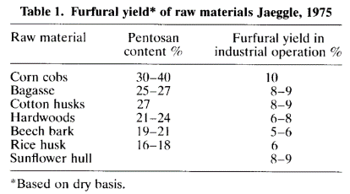
furfural
furfural
furfural
furfural
furfural
furfural
furfural
furfural
furfural
furfural
furfural
furfural
furfural
furfural |  |  | Furfural yield* of rice husk | 6%
furfural |  |  | Water rice husk g/100g | 12.08
furfural |  |  | Furfural yield of fresh rice husk | 0.052752
furfural
furfural
furfural
furfural |  | ref 2 | https://link.springer.com/article/10.1007/s11814-007-0101-z
furfural |  |  | Furfural production by acid hydrolysis and supercritical carbon dioxide extraction from rice husk
furfural |  |  | Moreover, furfural production by two-stage process (pre-hydrolysis and dehydration) can improve furfural yield further to be around 90% of theoretical maximum.
furfural |  |  | Stoichiometric yield of furfural is 72.72 g per 100 g of pentosan [2]
furfural
furfural
furfural |  |  | theoretical yield g/g pentosan | 0.7272
furfural |  |  | 90% of theoretical maximum. | 90%
furfural |  |  | yield g/g pentosan | 0.65448
furfural |  |  | g pentosan/g rice husk | 0.1299
furfural |  |  | g Furfural/g rice husk | 0.085016952
furfural
furfural
furfural |  | ref 3 | https://link.springer.com/article/10.1007/s13399-020-00810-1
furfural |  |  | Furfural production from rice husks within a biorefinery framework
furfural |  |  | The results obtained for furfural yield, ..., which generated a furfural production amounting to 6.0% (w/w) of the oven-dried rice husk weight (55% of the theoretical yield) and a 60% solid yield.
furfural |  |  | theoretical yield | 0.55
furfural |  |  | theoretical yield g/g pentosan | 0.7272
furfural |  |  | yield g/g pentosan | 0.39996
furfural |  |  | g pentosan/g rice husk | 0.1299
furfural |  |  | g Furfural/g rice husk | 0.051954804
furfural
furfural
furfural |  | ref 4 | https://www.sciencedirect.com/science/article/pii/S0008621512002984?via=ihub#t0025
furfural |  |  | Furfural production from rice husk using sulfuric acid and a solid acid catalyst through a two-stage process
furfural |  |  | Table 5. Comparison of furfural yield produced from various substrates using a two-stage process
furfural |  |  | Raw material | Investigator | Yield based on weight of raw material (%)
furfural |  |  | Rice hull | Mansilla et al.14 | ∼10.5
furfural |  |  | Hemicellulose (xylose) of bagasse | Punsuvon et al.15 | ∼10.3
furfural |  |  | Hemicellulose of dPPF | Wiboon Riansa-ngawong et al.16 | 17.34
furfural |  |  | Rice husk | This study | 8.9
furfural
furfural |  |  | g Furfural/g rice husk |  | 0.089
furfural
furfural
furfural |  | ref 5 | https://www.sciencedirect.com/science/article/pii/S0960852498000881
furfural |  |  | Acid-catalysed hydrolysis of rice hull: Evaluation of furfural production
furfural |  |  | Raw material | Investigator | Yield based on weight of raw material (%)
furfural |  |  | Rice hull | Mansilla et al.14 | ∼10.5
furfural
furfural |  |  | g Furfural/g rice husk |  | 0.105
furfural
furfural
furfural | rice bran | theoretical | https://ift.co.za/media/mediafiles/archive/SAIChE%20Congress%202003%20Arnold%20and%20Buzzard%20paper.pdf
furfural |  |  | A NOVEL PROCESS FOR FURFURAL PRODUCTION
furfural
furfural |  |  | 𝒀_(𝒇𝒖𝒓𝒇𝒖𝒓𝒂𝒍/𝒙𝒚𝒍𝒐𝒔𝒆 ) | 0.7272
furfural |  |  | xylose content | 0.0674
furfural |  |  | Y furfural / biomass | 0.04901328

HMF |  | theoretical | HMF formation reactions (i.e., glucan hydrolysis, glucose isomerization, and fructose dehydration)
HMF |  |  | C6H12O6 (Fructose) → C5H4O2CHO (Hydroxymethylfurfural) + 2H2O.
HMF |  |  | 180 | 126
HMF |  |  | theoretical yield g/g fructose | 0.7
HMF
HMF | rice | ref 1 | https://pubs.acs.org/doi/10.1021/acssuschemeng.8b05141
HMF |  |  | Organic Acid-Regulated Lewis Acidity for Selective Catalytic Hydroxymethylfurfural Production from Rice Waste: An Experimental–Computational Study
HMF
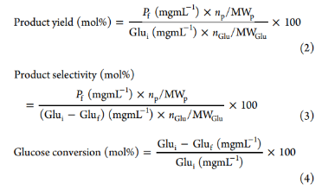
HMF |  |  |  |  |  |  | Pf is the concentration of the product (disaccharide, glucose, fructose, HMF, levoglucosan, LA, FA, and furfural)
HMF |  |  |  |  |  |  | np and nGlu are the number of carbons in the corresponding product and glucose, respectively
HMF |  |  |  |  |  |  | MWp and MWGlu are the molecular masses of the corresponding product and glucose, respectively
HMF |  |  |  |  |  |  | Glui and Gluf refer to the initial and final concentration of glucose, respectively
HMF
HMF
HMF
HMF
HMF
HMF
HMF
HMF
HMF |  |  | The HMF yields of 35.2 and 17.3 mol % were obtained from rice waste in the Al(III) and Al/maleicA systems, respectively.
HMF |  |  | yields (mol %) | 35.2 | 17.3
HMF |  |  | avrg yields (mol %) | 26.25
HMF |  |  | glucose in rice g/g | 0.82666666667
HMF |  |  | glucose in rice mol/g | 0.0045925925926
HMF |  |  | HMF mol /g | 0.0016165925926
HMF |  |  | HMF from rice g/g | 0.20369066667
HMF
HMF
HMF |  | ref 2 | https://onlinelibrary.wiley.com/doi/10.1002/ente.202000597
HMF |  |  | Aqueous Choline Chloride/γ-Valerolactone as Ternary Green Solvent Enhance Al(III)-Catalyzed Hydroxymethylfurfural Production from Rice Waste
HMF
HMF |  |  | Table 4. Comparison of reaction conditions and HMF yield of the biomass waste or model carbohydrates to HMF
HMF |  |  | Substrate | Reaction system | Conditions | Heating | HMF yield | Reference
HMF |  |  | Starch | 40 mg cellulose-derived carbonaceous catalyst (CCC) | 160 °C, 15 min | Oil bath | 42.80% | [46]
HMF |  |  | Glucose | 5 mol% CrCl3·6H2O, 1 mL DMSO/H2O | 120 °C, 3 h | Autoclave | 17.60% | [45]
HMF |  |  | Glucose | 0.42 mM AlCl3·6H2O, GVL/ChCl-H2O (1:1 wt/wt) | 140 °C, 1 h | Oil bath | 29.7 mol% | This study
HMF |  |  | Cellulose | HCl (pH 3), 30 mL H2O | 300 °C, 0 min | Muffle furnace | 20.7 mol% | [47]
HMF |  |  | Maltose | 55.5 mm SnCl4, PC/H2O (1:1 v/v) | 120 °C, 10 min | Microwave | 27.8 mol% | [20]
HMF |  |  | Maltose | 55.5 mm SnCl4, GVL/H2O (1:1 v/v) | 120 °C, 10 min | Microwave | 19.7 mol% | [20]
HMF |  |  | Maltose | 55.5 mm SnCl4, acetone/H2O (1:1 v/v) | 120 °C, 10 min | Microwave | 10.2 mol% | [20]
HMF |  |  | Maltose | 0.42 mm AlCl3·6H2O, GVL/ChCl–H2O (1:1 wt/wt) | 140 °C, 1 h | Oil bath | 31.2 mol% | This study
HMF |  |  | Bread waste | 55.5 mm SnCl4; 20 mL DMSO/H2O(1:1 v/v) | 160 °C, 20 min | Microwave | 21.4 wt% | [13]
HMF |  |  | Cooked rice | 55.5 mm FeCl3; 20 mL DMSO/H2O(1:1 v/v) | 160 °C, 20 min | Microwave | 18.1 wt% | [12]
HMF |  |  | Cooked rice | 55.5 mm SnCl4; 20 mL DMSO/H2O(1:1 v/v) | 140 °C, 40 min | Microwave | 22.6 wt% | [44]
HMF |  |  | Cooked rice | 55.5 mm Lewis acid, DMSO/H2O (1:1 v/v) | 140 °C, 20 min | Microwave | 8.1-9.5 mol% | [12]
HMF |  |  | Cooked rice | 0.42 mm AlCl3·6H2O, GVL/ChCl–H2O (1:1 wt/wt) | 140 °C, 1 h | Oil bath | 18.60 mol% | This study
HMF
HMF |  |  | yields (mol %) | 18.60
HMF |  |  | glucose in rice g/g | 0.82666666667
HMF |  |  | glucose in rice mol/g | 0.0045925925926
HMF |  |  | HMF mol /g rice | 0.00085422222222
HMF |  |  | HMF from rice g/g | 0.107632
HMF
HMF
HMF
HMF |  | ref 3 | https://www.sciencedirect.com/science/article/pii/S0960852416311233?casa_token=4MKCRwh2jWMAAAAA:PYz3qUZ70Ua7bTGG4fC9Ru3BkctfZX8LzcZVXeU6ndRrygTWFdUvUDtM_LzgeLyrZNh3xFU#m0005
HMF |  |  | Valorization of food waste into hydroxymethylfurfural: Dual role of metal ions in successive conversion steps
HMF
HMF |  |  | Substrate | Reaction system | Conditions | Heating | HMF yield | HMF yield g/g substrate
HMF |  |  | Cooked rice | 55.5 mm FeCl3; 20 mL DMSO/H2O(1:1 v/v) | 160 °C, 20 min | Microwave | 18.1 wt% | 0.181
HMF
HMF
HMF |  |  |  |  |  |  |  |  | Pf was referred to the final product concentration as above while Si represented the mass of cooked rice, bread crust or starch added.
HMF
HMF
HMF
HMF
HMF
HMF |  |  | Substrate | Reaction system | Conditions | Heating | HMF yield | HMF yield mol%
HMF |  |  | Cooked rice | 55.5 mm Lewis acid, DMSO/H2O (1:1 v/v) | 140 °C, 20 min | Microwave | 8.1-9.5 mol% | 8.8
HMF
HMF |  |  |  |  |  |  |  | where Pf was referred to the concentration of final product i.e., fructose, glucose, HMF, levoglucosan, levulinic acid and formic acid;
HMF |  |  |  |  |  |  |  | Si and Sf represented initial and final concentration of sugars i.e., fructose and glucose; np and ns were the numbers of carbon in the corresponding product and substrate;
HMF |  |  |  |  |  |  |  | and MW was referred to molecular mass of the corresponding compound.
HMF
HMF
HMF
HMF
HMF
HMF
HMF
HMF |  |  | yields (mol %) | 8.8
HMF |  |  | glucose in rice g/g | 0.82666666667
HMF |  |  | glucose in rice mol/g | 0.0045925925926
HMF |  |  | HMF mol /g rice | 0.00040414814815
HMF |  |  | HMF from rice g/g | 0.050922666667
HMF
HMF |  |  | avrg | 0.11596133333
HMF
HMF
HMF |  | ref 4 | https://onlinelibrary.wiley.com/doi/10.1002/ente.202000597
HMF |  |  | Aqueous Choline Chloride/γ-Valerolactone as Ternary Green Solvent Enhance Al(III)-Catalyzed Hydroxymethylfurfural Production from Rice Waste
HMF |  |  | Table 4. Comparison of reaction conditions and HMF yield of the biomass waste or model carbohydrates to HMF
HMF |  |  | Substrate | Reaction system | Conditions | Heating | HMF yield | Reference
HMF |  |  | Cooked rice | 55.5 mm SnCl4; 20 mL DMSO/H2O(1:1 v/v) | 140 °C, 40 min | Microwave | 22.6 wt% | [44] | 22.60%
HMF |  |  | HMF from rice g/g | 0.23
HMF
HMF
HMF |  | ref 5 | https://chemistry-europe.onlinelibrary.wiley.com/doi/10.1002/cssc.202101889
HMF |  |  | Aqueous-Natural Deep Eutectic Solvent-Enhanced 5-Hydroxymethylfurfural Production from Glucose, Starch, and Food Wastes
HMF
HMF
HMF
HMF
HMF
HMF
HMF
HMF
HMF |  |  | Table 3. Typical SnCl4 catalytic conversion methods and results from biomass to HMF.
HMF |  |  | Entry | Substrate | Solvent | SnCl4 | Conditions | HMF yield [%] | Ref.
HMF |  |  | 1 | glucose (0.56 mmol) | [BMIM][BF4] (1 g) | 0.056 mmol | 100 °C, 3 h | 61 | [19a]
HMF |  |  | 2 | starch (0.62 mmol) | [BMIM][BF4] (1 g) | 0.062 mmol | 100 °C, 24 h | 47 | [19a]
HMF |  |  | 3 | glucose (10 wt%) | [EMIM]Br | 10 mol% | 100 °C, 3 h | 64.5 | [26]
HMF |  |  | 4 | glucose (40 wt%) | [EMIM]Br | 40 mol% | 100 °C, 1 h | 56 | [26]
HMF |  |  | 5 | glucose (10 wt%) | [EMIM]Br/GDE (1 : 4 w/w) | 10 mol% | 100 °C, 3 h | 58.7 | [26]
HMF |  |  | 6 | cooked rice (5 wt%) | DMSO/H2O (1 : 1 v/v, 10 mL) | 0.056 m | microwave, 140 °C, 40 min | 22.7 wt % | [27]
HMF |  |  | 7 | bread waste (5 wt%) | acetonitrile/H2O (1 : 1 v/v, 10 mL) | 55.5 mm | microwave, 140 °C, 25 min | 26 | [9]
HMF |  |  | 8 | bread waste (5 wt%) | propylene carbonate/H2O (1 : 1 v/v, 10 mL) | 55.5 mm | microwave, 120 °C, 7.5 min | 20.5 | [19b]
HMF |  |  | 9 | bread waste (5 wt%) | GVL/H2O (1 : 1 v/v, 10 mL) | 55.5 mm | microwave, 120 °C, 40 min | 24.3 | [19b]
HMF |  |  | 10 | glucose (30 wt%) | ChCl/MIBK | 5 mol% | 120 °C, 2 h | 29.1 | this work
HMF |  |  | 11 | glucose (30 wt%) | water-ChCl/MIBK | 5 mol% | 130 °C, 2 h | 64.3 | this work
HMF |  |  | 12 | starch (10 wt%) | water-ChCl/MIBK | 25 mol% | 130 °C, 2 h | 64 | this work
HMF |  |  | 13 | rice waste (10 wt%) | water-ChCl/MIBK | 25 mol% | 130 °C, 2 h | 61.3 | this work
HMF |  |  | 14 | bread waste (10 wt%) | water-ChCl/MIBK | 25 mol% | 130 °C, 2 h | 54.5 | this work
HMF
HMF
HMF
HMF |  |  | yields (mol %) | 61.3
HMF |  |  | glucose in rice g/g | 0.82666666667
HMF |  |  | glucose in rice mol/g | 0.0045925925926
HMF |  |  | HMF mol /g rice | 0.0028152592593
HMF |  |  | HMF from rice g/g | 0.35472266667
HMF
HMF
HMF
HMF | rice hull | theoretical | HMF formation reactions (i.e., glucan hydrolysis, glucose isomerization, and fructose dehydration)
HMF |  |  | C6H12O6 (Fructose) → C5H4O2CHO (Furfural) + 2H2O.
HMF |  |  | 180 | 126
HMF |  |  | theoretical yield g/g fructose+glucose | 0.7
HMF |  |  | fructose+glucose in rice hull % | 35.084520404
HMF |  |  | theoretical yield g/ g rice | 0.24559164283
HMF
HMF |  | ref 1 | https://www.scielo.br/j/cta/a/qSNF38K7nB3zhwwWHKYWdpm/?lang=en
HMF |  |  | ustainable production of furfural and 5-hidroximetilfurfural from rice husks and soybean peel by using ionic liquid
HMF
HMF
HMF
HMF
HMF
HMF |  |  | HMF yield | 8.70%
HMF |  |  | yields (mol %) | 8.7
HMF |  |  | glucose in hull g/g | 0.35084520404
HMF |  |  | glucose in rice mol/g | 0.0019491400224
HMF |  |  | HMF mol /g rice | 0.00016957518195
HMF |  |  | HMF from rice g/g | 0.021366472926 | abnormal value
HMF
HMF |  | ref 2 | https://pubs.rsc.org/en/content/articlelanding/2016/cy/c6cy00820h
HMF |  |  | High yield conversion of cellulosic biomass into 5-hydroxymethylfurfural and a study of the reaction kinetics of cellulose to HMF conversion in a biphasic system
HMF |  |  | Using an external standard method and calibration curves of commercially available standard substrates, conversion (mol%) and product yield (mol%) were calculated according to:
HMF
HMF
HMF
HMF
HMF
HMF |  |  | where nC6 and nCo 6 denote the number of moles of C6 sugar in the product and feed, respectively, and ni is the number of moles of identified products (HMF, furfural etc.)
HMF
HMF
HMF |  |  | Another desirable attribute of our process is the significant conversion of real biomass to both HMF and furfural.
HMF |  |  | A combined furan yield of about 76% (49–52% HMF and 23–28% furfural) is achievable.
HMF |  |  | Catalytic conversion of the cellulose rich pulp after biomass fractionation led to an increased production in HMF to about 72% (bagasse) and 65% (husk).
HMF
HMF |  |  | HMF yield | 49%
HMF |  |  | HMF yield | 52%
HMF |  |  | HMF yield | 65%
HMF |  |  | avrg yields (mol %) | 55%
HMF |  |  | yields (mol %) | 55
HMF |  |  | glucose in hull g/g | 0.35084520404
HMF |  |  | glucose in rice mol/g | 0.0019491400224
HMF |  |  | HMF mol /g rice | 0.0010720270123
HMF |  |  | HMF from rice g/g | 0.13507540356

FDCA | rice | theoretical | https://www.researchgate.net/figure/Theoretical-and-Overall-Yield-for-the-Conversion-of-Pure-Sugars-to-Ethylene-via-Ethanol_tbl6_259752935
FDCA |  |  | Chemocatalytic Processes for the Production of Bio-Based Chemicals from Carbohydrates
FDCA
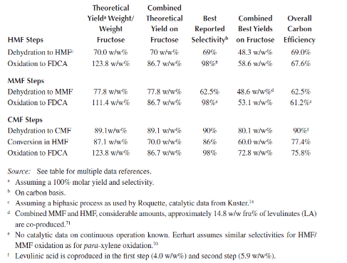
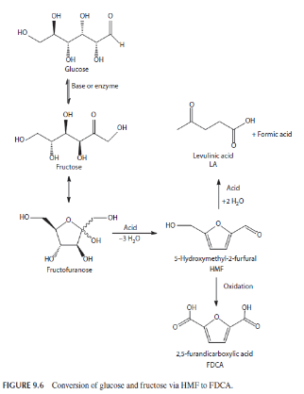
FDCA
FDCA
FDCA
FDCA
FDCA
FDCA
FDCA
FDCA
FDCA
FDCA
FDCA
FDCA
FDCA
FDCA
FDCA
FDCA
FDCA
FDCA
FDCA
FDCA |  |  | HMF | hydroxymethyl furfural
FDCA |  |  | MMF | 5-methoxymethylfurfural
FDCA |  |  | CMF | chloromethyl furfural
FDCA
FDCA |  |  |  | Combined Theoretical Yield on Fructose
FDCA |  |  | HMF step FDCA | 86.70% | w/w%
FDCA |  |  | MMF step FDCA | 86.70%
FDCA |  |  | CMF step FDCA | 86.70%
FDCA
FDCA |  |  | theoretical yield FDCA from sugar g/g | 0.867
FDCA |  |  | fru+glu in rice % | 82.67
FDCA |  |  | theoretical yield FDCA from rice g/g | 0.71672
FDCA
FDCA
FDCA | rice hull | theoretical | https://www.researchgate.net/figure/Theoretical-and-Overall-Yield-for-the-Conversion-of-Pure-Sugars-to-Ethylene-via-Ethanol_tbl6_259752935
FDCA |  |  | Chemocatalytic Processes for the Production of Bio-Based Chemicals from Carbohydrates
FDCA |  |  | theoretical yield FDCA from sugar g/g | 0.867
FDCA |  |  | fru+glu in rice hull % | 35.08
FDCA |  |  | theoretical yield FDCA from rice hull g/g | 0.3041827919
FDCA
FDCA | rice bran | theoretical | https://www.researchgate.net/figure/Theoretical-and-Overall-Yield-for-the-Conversion-of-Pure-Sugars-to-Ethylene-via-Ethanol_tbl6_259752935
FDCA |  |  | Chemocatalytic Processes for the Production of Bio-Based Chemicals from Carbohydrates
FDCA |  |  | theoretical yield FDCA from sugar g/g | 0.867
FDCA |  |  | fru+glu in rice bran % | 19.82
FDCA |  |  | theoretical yield FDCA from rice bran g/g | 0.17180647428

Isoprene | theoretical | there is no study on rice to isoprene. In most glucose-to-isoprene studies, cell engineering or genetic engineering are applied to drive certain metabolic pathways. Two pathways of glucose - isoprene are employed to calculate the yield.
Isoprene | theoretical
Isoprene | theoretical | theoretical | https://pubs.acs.org/doi/full/10.1021/acssuschemeng.9b00362?casa_token=HvjJqUzNJ3gAAAAA%3AqPow9-3aI3LfvV-B7hDyx6juRhnat1RX_8uo7MjurBrUUK4dB0gOuXGteXtUyjs7ZdvE0UnSxKqZ
Isoprene | theoretical |  | Process Design and Economic Analysis of Renewable Isoprene from Biomass via Mesaconic Acid
Isoprene | theoretical |  | from glucose to isoprene
Isoprene | theoretical
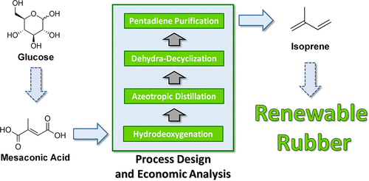
Isoprene | theoretical
Isoprene | theoretical
Isoprene | theoretical
Isoprene | theoretical
Isoprene | theoretical
Isoprene | theoretical
Isoprene | theoretical
Isoprene | theoretical
Isoprene | theoretical
Isoprene | theoretical |  | In later work, further metabolic engineering by driving carbon flux and overexpressing sugar transporters led to the production of mesaconic acid with a titer of 23.18 g·L–1 and a yield of 0.465 g·g–1 glucose (64.4% of the theoretical maximum).
Isoprene | theoretical
Isoprene | theoretical |  | mesaconic acid / glucose (g/g) | 0.465
Isoprene | theoretical |  | isoprene /mesaconic acid (g/g) | 0.289
Isoprene | theoretical |  | isoprene/glucose (g/g) | 0.134385
Isoprene | theoretical
Isoprene | theoretical
Isoprene | theoretical
Isoprene | theoretical | theoretical | https://journals.plos.org/plosone/article/file?id=10.1371/journal.pone.0033509&type=printable
Isoprene | theoretical |  | Enhancing Production of Bio-Isoprene Using Hybrid MVA Pathway and Isoprene Synthase in E. coli
Isoprene | theoretical |  | The theoretical yield was calculated according to the following formula:
Isoprene | theoretical |  | 1.5C6H12O6+2NADPH+6NAD+ -> C5H8+4CO2+6NADH+2- NADP+ +H2O+4[H].
Isoprene | theoretical |  | The conversion efficiency of glucose to isoprene in the metabolically engineered strain has attained 7%, reaching 28% of the theoretical limit (25.2%).
Isoprene | theoretical
Isoprene | theoretical |  | theoretical yield (isoprene/glucose) | 25.20%
Isoprene | theoretical |  | yield (isoprene/glucose) | 7%
Isoprene | theoretical
Isoprene | theoretical
Isoprene | theoretical | theoretical | https://www.sciencedirect.com/science/article/pii/S109671761630012X?casa_token=_ZL6J9GMtdkAAAAA:SDjfCEWkxSyipae_dy_ZnRUnJaDI9ZbAMVbYyVO_garMhhKEKk7KpJP8hYkZhtKG5IwftWY
Isoprene | theoretical |  | Synergy between methylerythritol phosphate pathway and mevalonate pathway for isoprene production in Escherichia coli
Isoprene | theoretical
Isoprene | theoretical |  | Fed-batch cultivation of the engineered strain overexpressing the dual pathway resulted in production of 24.0 g/L isoprene with a yield of
Isoprene | theoretical |  | g/g of glucose | 0.267
Isoprene | theoretical
Isoprene | theoretical
Isoprene | theoretical | theoretical | https://www.sciencedirect.com/science/article/pii/S135951131100184X?casa_token=cZEXdPXFc3MAAAAA:ZGkN6n8wTTflwRfAIcMgJ5nmuk7mzncDpI2ujqCfFCUtAFCWwojGuqSSGjtv2SVAB0cuNwo
Isoprene | theoretical |  | Microbial production of isoprenoids
Isoprene | theoretical
Isoprene | theoretical
Isoprene | theoretical |  | heir Bioisoprene™ was used to produce tires, showing it was equivalent to petroleum-derived isoprene. They report a titer of over 60 g/L, a volumetric productivity of 2 g/L/h and a yield of 11% isoprene from glucose.
Isoprene | theoretical
Isoprene | theoretical |  | yield (isoprene/glucose) | 0.11
Isoprene | theoretical
Isoprene | theoretical
Isoprene | theoretical |  | This project is continuing with the goal of reaching a yield as close to the theoretical maximum stoichiometric yield as possible, which is 24% using the mevalonate pathway or 29% if the MEP pathway can be used.
Isoprene | theoretical
Isoprene | theoretical |  | yield (isoprene/glucose) | 0.24
Isoprene | theoretical |  | yield (isoprene/glucose) | 0.29
Isoprene | theoretical
Isoprene | theoretical | theoretical | avrg yield (g isoprene/g glucose) | 17%
Isoprene
Isoprene
Isoprene | rice | theoretical | glucose in rice | 82.67
Isoprene |  |  | yield (isoprene/rice) | 0.14053333333
Isoprene
Isoprene
Isoprene | rice hull | theoretical | glucose in rice hull | 35.08
Isoprene |  |  | yield (isoprene/rice hull ) | 0.059643684687
Isoprene
Isoprene
Isoprene | rice bran | theoretical | glucose in rice bran | 16.59
Isoprene |  |  | yield (isoprene/rice bran ) | 0.028207459766
Isoprene
Isoprene
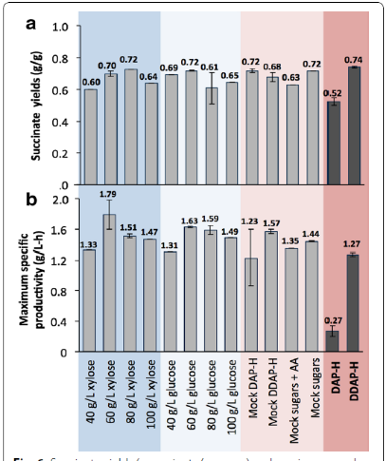
succinic acid | theoretical | theoretical | https://link.springer.com/article/10.1186/s13068-016-0425-1
succinic acid |  |  | Succinic acid production on xylose-enriched biorefinery streams by Actinobacillus succinogenes in batch fermentation
succinic acid |  |  | We note that the overall maximum theoretical yield of succinate from glucose is 1.12 g/g [61].
succinic acid |  |  | Succinate yields ranged between glucose is 1.12 g/g [61]. Succinate yields ranged between
succinic acid
succinic acid |  |  | succinate yield | 0.6
succinic acid |  |  |  | 0.7
succinic acid |  |  |  | 0.72
succinic acid |  |  |  | 0.64
succinic acid |  |  |  | 0.69
succinic acid |  |  |  | 0.72
succinic acid |  |  |  | 0.61
succinic acid |  |  |  | 0.65
succinic acid |  |  |  | 0.72
succinic acid |  |  |  | 0.68
succinic acid |  |  |  | 0.63
succinic acid |  |  |  | 0.72
succinic acid |  |  |  | 0.52
succinic acid |  |  |  | 0.74
succinic acid |  |  | avrg yield g/g sugar | 0.66714285714
succinic acid
succinic acid | rice | theoretical | yield g/g sugar | 0.66714285714
succinic acid |  |  | glu+fru+xyl in rice | 82.666666667
succinic acid |  |  | succinate yield g/g rice | 0.5515047619
succinic acid
succinic acid
succinic acid | rice hull | ref 1 | https://www.sciencedirect.com/science/article/pii/S2352554115300073?via%3Dihub
succinic acid |  |  | Sustainable succinic acid production from rice husks
succinic acid |  |  | The PAH hydrolysate, containing 18.5 g L−1 glucose and 2.97 g L−1 xylose, produced 12.6 g L−1 SA in 54 h fermentation, which corresponds to a production rate of 0.23 g L−1 h−1 and a yield of 59.9% of SA, equivalent to 0.125 g of SA g−1 of RH.
succinic acid
succinic acid |  |  | yield g SA/g rice husk | 0.125
succinic acid
succinic acid
succinic acid | rice bran | theoretical | yield g/g sugar | 0.66714285714
succinic acid |  |  | glu+fru+xyl in rice bran | 26.561122794
succinic acid |  |  | succinate yield g/g rice bran | 0.1772006335
succinic acid

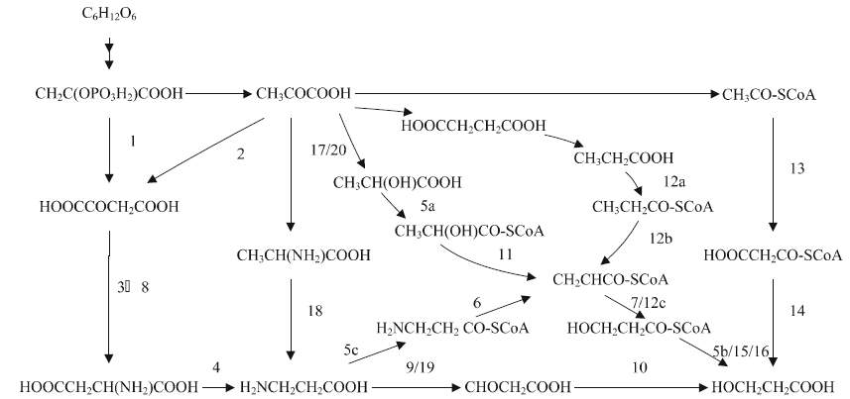
3-HP | theoretical | theoretical | https://link.springer.com/article/10.1007/s00253-009-1898-7
3-HP |  |  | Biosynthetic pathways for 3-hydroxypropionic acid production
3-HP
3-HP |  |  | Seven synthetic pathways, via which 3-HP could be
3-HP |  |  | produced at a theoretical yield of 100% from glucose, have
3-HP |  |  | been patented by Cargill et al. (Gokarn et al. 2001; Liao et
3-HP |  |  | al. 2005; Liao et al. 2007; Marx et al. 2007).
3-HP
3-HP
3-HP
3-HP
3-HP
3-HP
3-HP
3-HP
3-HP
3-HP
3-HP |  |  |  |  |  |  | Fig. 1 Overview of seven fermentation pathways for the production of 3-HP from glucose.
3-HP
3-HP
3-HP | theoretical | theoretical | https://www.mdpi.com/2311-5637/4/1/13
3-HP |  |  | Biological Production of 3-Hydroxypropionic Acid: An Update on the Current Status
3-HP |  |  | host | ref | yield | unit | engineered strain? | normalization
3-HP |  |  | E.coli | Cheng et al. [54] | 0.18 | g 3-HP/g sugar | y | 0.18 | g 3-HP/g sugar
3-HP |  |  | E.coli | Liu et al. [55] | 0.19 | g 3-HP/g sugar | y | 0.19 | g 3-HP/g sugar
3-HP |  |  | E.coli | [49] | 0.432 | g 3-HP/g sugar | y | 0.43 | g 3-HP/g sugar
3-HP |  |  | E.coli | Jung et al. [57] | 0.36 | g 3-HP/g sugar | y | 0.36 | g 3-HP/g sugar
3-HP |  |  | S. cerevisiae | [59] | 13% | C-mol/C-mol | y | 0.07 | g 3-HP/g sugar
3-HP |  |  | S. cerevisiae | [48] | 0.14 | C-mol/C-mol | y | 0.07 | g 3-HP/g sugar
3-HP |  |  | S. cerevisiae | [60] | 29% | C-mol/C-mol | y | 0.15 | g 3-HP/g sugar
3-HP |  |  | Corynebacterium glutamicum | Chen et al. [53] | 0.45 | g 3-HP/g sugar | y | 0.45 | g 3-HP/g sugar
3-HP |  |  | avrg |  |  |  |  | 0.24
3-HP
3-HP | rice | theoretical | yield g/g sugar | 0.2365
3-HP |  |  | glucose in rice | 82.67
3-HP |  |  | 3-HP yield g/g rice | 0.19550666667
3-HP
3-HP | rice hull | theoretical | glucose in rice hull | 35.08
3-HP |  |  | yield (3-HP/rice hull ) | 0.082974890756
3-HP
3-HP
3-HP | rice bran | theoretical | glucose in rice bran | 16.59
3-HP |  |  | yield (3-HP/rice bran ) | 0.039241554322
3-HP
3-HP
3-HP
3-HP
3-HPA | theoretical | ref 1 | https://www.sciencedirect.com/science/article/pii/S0960852423012506?casa_token=2ppI1KsoLjwAAAAA:1-ZHBOVlnQUoaIJWo4fTTZkMD369y0sIhN5iFQW763-tGuMSdTbQ8jCa_g96OvGRgwzDMfQ
3-HPA |  |  | Efficient biosynthesis of 3-hydroxypropionic acid from glucose through multidimensional engineering of Escherichia coli
3-HPA |  |  | Therefore, biotechnological production of 3-HPA should be performed without glucose, to favour accumulation of 3-HPA (El-Ziney et al. 1998; Lüthi-Peng et al. 2002a; Mills et al. 1954; Sauvageot et al. 2000; Sobolov and Smiley 1960).
3-HPA |  | ref 2 | https://journals.asm.org/doi/full/10.1128/aem.50.6.1444-1450.1985
3-HPA |  |  | Optimizing aerobic conversion of glycerol to 3-hydroxypropionaldehyde
3-HPA |  |  | Production of 3-HPA was sensitive to the age of cells harvested for resuspension and was nonexistent if cells were cultivated on glucose instead of glycerol as the sole carbon source.
3-HPA
3-HPA
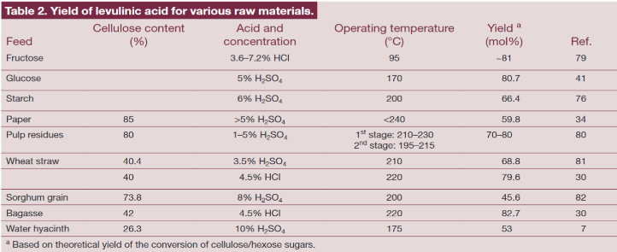
levulinic acid | theoretical | theoretical | https://onlinelibrary.wiley.com/doi/full/10.1002/bbb.267
levulinic acid | theoretical |  | The conversion of lignocellulosics to levulinic acid
levulinic acid | theoretical |  | Feed | Theoretical yield (mol %)
levulinic acid | theoretical |  | fructose | 81
levulinic acid | theoretical |  | glucose | 80.7
levulinic acid | theoretical |  | avrg | 80.85
levulinic acid | theoretical
levulinic acid | theoretical |  | Theoretical yield (g/g) | 0.52103333333
levulinic acid | theoretical
levulinic acid | theoretical
levulinic acid | theoretical
levulinic acid | theoretical
levulinic acid | theoretical
levulinic acid | theoretical
levulinic acid | theoretical
levulinic acid | theoretical
levulinic acid | theoretical
levulinic acid | theoretical
levulinic acid | rice | theoretical | Theoretical yield (g/g hexos) | 0.52103333333
levulinic acid | rice |  | glu+fru in rice (g/100g) | 82.666666667
levulinic acid | rice |  | Theoretical yield (g/g rice) | 0.43072088889
levulinic acid
levulinic acid
levulinic acid
levulinic acid
levulinic acid | rice husk | ref 1 | https://www.sciencedirect.com/science/article/pii/S1359511317315532?via%3Dihub
levulinic acid |  |  | Concept of rice husk biorefining for levulinic acid production integrating three steps: Multi-response optimization, new perceptions and limitations
levulinic acid |  |  | Valuable intermediates for solvents, biofuels and biopolymer precursors are produced from levulinic acid (LA). In this study, rice husk (RH) was fractionated using a three-step biorefining approach for LA production: (1) acid pretreatment, (2) alkaline pretreatment and (3) catalytic depolymerization of cellulose. In third step, the H2SO4-acid concentration (Ad), reaction temperature (Td) and reaction time (td) on the LA concentration (CLA), selectivity (SLA) and yield percentage based on the theoretical value (Yt,LA), were investigated. Optimal values for CLA of 27.2 g/L, SLA of 62.2% and Yt,LA of 60.6 mol% were obtained at Ad of 5.0% w/v, Td of 175 °C and td of 75 min. A scenario based on 100 kg of dry RH produced 11.8 kg of LA with a yield of 42.9 mol% based on the theoretical values of the cellulose in the RH, as well as 12.5 kg of xylose, 12 kg of lignin and 2.9 kg of formic acid. Furthermore, the potential route to LA production with the requirement to remove the ash and with a low production of carbonaceous species (∼2.5 kg) was highlighted in this study. These results offer new insight into selective conversion of RH to bio-based products.
levulinic acid
levulinic acid |  |  | theoretical value (Yt,LA) (mol%) | 60.6
levulinic acid
levulinic acid |  |  | 100 kg of dry Rice Husk produced 11.8 kg of LA
levulinic acid |  |  | The RH was provided by the Irmãos Pillon rice industry (Santa Maria, RS − Brazil), obtained from the 2016/2017 rice harvest and with a moisture content of 10.5%.
levulinic acid |  |  | LA/ dry rice husk (g/g) | 0.118
levulinic acid |  |  | moisture content | 10.50%
levulinic acid |  |  | LA/ rice husk (g/g) | 0.10561
levulinic acid
levulinic acid
levulinic acid |  | ref 2 | https://www.mdpi.com/2073-4344/10/3/327
levulinic acid |  |  | Levulinic Acid Production from Delignified Rice Husk Waste over Manganese Catalysts: Heterogeneous Versus Homogeneous
levulinic acid |  |  | Figure 6 and Figure 7 show that the highest yield (wt %) of levulinic acid for each reaction was reached after 8 h reaction time. When using Mn3O4/hierarchical ZSM-5 as catalyst, the yield (wt %) obtained at 100 °C and 130 °C was 27.60% and 39.75%, respectively. The reaction using Mn2+ gave yield of 17.69% (100 °C) and 19.34% (130 °C). When Mn3O4 catalyst, the highest yield (wt %) of levulinic acid was similar, reaching 14.02% (100 °C) and 15.93% (130 °C), respectively.
levulinic acid |  |  | The yield (wt%) of products was calculated using the following Equation:
levulinic acid
levulinic acid
levulinic acid
levulinic acid
levulinic acid
levulinic acid
levulinic acid |  |  | yield (wt %) | 27.60%
levulinic acid |  |  | yield (wt %) | 39.75%
levulinic acid |  |  | yield (wt %) | 17.69%
levulinic acid |  |  | yield (wt %) | 19.34%
levulinic acid |  |  | yield (wt %) | 14.02%
levulinic acid |  |  | yield (wt %) | 15.93%
levulinic acid |  |  | avrg yield (wt %) | 22.39%
levulinic acid
levulinic acid |  |  | cellulsoe in Rice husk % | 25.67
levulinic acid |  |  | yield g LA / g rice husk | 0.057476762187
levulinic acid
levulinic acid
levulinic acid |  | ref 3 | https://www.sciencedirect.com/science/article/pii/S2214785323006041?via%3Dihub#s0010
levulinic acid |  |  | Bronsted acid and manganese based catalyst effect on levulinic acid production from double delignified rice husk
levulinic acid |  |  | Calculation of the LA based on a molar basis (YLA) is formulated in equation (1) as the ratio between the concentration of LA in the product (CLA) and the concentration of sugar C6 in rice husk (CC6,0).
levulinic acid
levulinic acid
levulinic acid
levulinic acid
levulinic acid |  |  | The yields obtained from the use of 10 %wt, 20 %wt and 30 %wt Mn3O4/ZSM-5 catalyst concentrations were 62.3 %, 65.85 % and 66.05 %,
levulinic acid |  |  | YLA | 62.30%
levulinic acid |  |  | YLA | 65.85%
levulinic acid |  |  | YLA | 66.05%
levulinic acid |  |  | avrg | 0.64733333333
levulinic acid |  |  | C6 sugar in rice, % | 35.08
levulinic acid |  |  | mol weight, C6 sugar | 180
levulinic acid |  |  | mol weight, levulinic acid | 116
levulinic acid |  |  | yield g/g rice husk | 0.14636222371
levulinic acid
levulinic acid
levulinic acid |  | ref 4 | https://link.springer.com/article/10.1007/s10570-020-03183-w
levulinic acid |  |  | Kinetic insights into the lignocellulosic biomass-based levulinic acid production by a mechanistic model
levulinic acid |  |  | RH rice husk
levulinic acid
levulinic acid |  |  | For all ISRs, the cellulose depolymerization conditions at 150 °C with low concentration of H2SO4 were unfavorable for the formation of LA; this resulted in lower yields of 12.2 ± 0.0 mol%, 28.8 ± 3.5 mol% and 25.8 ± 1.4 mol% for ISRSCB, ISRRH and ISRSS, respectively.
levulinic acid |  |  | However, LA yields were observed at 190 °C and H2SO4 concentration of 3.0% w/v, resulting in values of 28.6 ± 1.0 mol%, 61.8 ± 0.2 mol%, and 55.6 ± 0.4 mol% for ISRSCB, ISRRH and ISRSS, respectively
levulinic acid |  |  | ven greater LA yields were observed at 190 °C and 7.0% w/v H2SO4 concentration: 60.5 ± 2.1 mol%, 65.2 ± 2.9 mol% and 61.5 ± 4.0 mol% for ISRSCB, ISRRH and ISRSS, respectively.
levulinic acid |  |  | LA yield from ISRRH (mol% ) | 28.8
levulinic acid |  |  | LA yield from ISRRH (mol% ) | 61.8
levulinic acid |  |  | LA yield from ISRRH (mol% ) | 65.2
levulinic acid |  |  | avrg LA yield from ISRRH (mol% ) | 51.933333333
levulinic acid |  |  | avrg LA yield from ISRRH | 51.93%
levulinic acid |  |  | C6 sugar in rice, % | 35.08
levulinic acid |  |  | mol weight, C6 sugar | 180
levulinic acid |  |  | mol weight, levulinic acid | 116
levulinic acid |  |  | yield g/g rice husk | 0.11742139266
levulinic acid
levulinic acid
levulinic acid | rice bran | theoretical | Theoretical yield (g/g hexos) | 0.52103333333
levulinic acid |  |  | glu+fru in rice bran (g/100g) | 19.816202339
levulinic acid |  |  | Theoretical yield (g/g rice bran) | 0.10324901959
levulinic acid
levulinic acid
levulinic acid
lactic acid | rice grain | theoretical | https://link.springer.com/article/10.1007/s10570-019-02571-1
lactic acid |  |  | Bioprocessing of rice husk into monosaccharides and the fermentative production of bioethanol and lactate
lactic acid |  |  | YLA lactic acid yield expressed as percentage of theoretical lactic acid yield (0.76 g lactic acid per g sugar)
lactic acid |  |  | theoretical yield (g lactic acid per g sugar) | 0.76
lactic acid |  |  | sugar from rice g/g | 82.666666667
lactic acid |  |  | theoretical yield (g lactic acid per g rice) | 0.62826666667
lactic acid
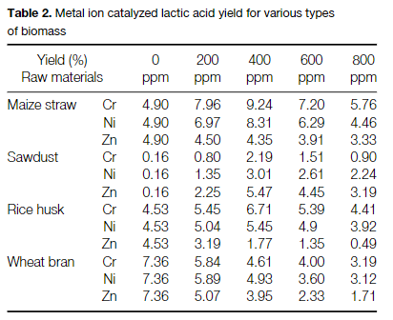
lactic acid | rice husk | ref 1 | https://analyticalsciencejournals.onlinelibrary.wiley.com/doi/full/10.1002/jctb.1797
lactic acid |  |  | Hydrothermal catalytic conversion of biomass for lactic acid production
lactic acid
lactic acid |  |  | rice husk | Yield (%)
lactic acid |  |  | 0 | 4.5 | Cr
lactic acid |  |  | 200 | 5.45 | Cr
lactic acid |  |  | 400 | 6.71 | Cr
lactic acid |  |  | 600 | 5.39 | Cr
lactic acid |  |  | 800 | 4.41 | Cr
lactic acid |  |  | 0 | 4.53 | Ni
lactic acid |  |  | 200 | 5.04 | Ni
lactic acid |  |  | 400 | 5.45 | Ni
lactic acid |  |  | 600 | 4.9 | Ni
lactic acid |  |  | 800 | 3.92 | Ni
lactic acid |  |  | 0 | 4.53 | Zn
lactic acid |  |  | 200 | 3.19 | Zn
lactic acid |  |  | 400 | 1.77 | Zn
lactic acid |  |  | 600 | 1.35 | Zn
lactic acid |  |  | 800 | 0.49 | Zn
lactic acid |  |  | avrg yield | 4.1086666667
lactic acid |  |  | yield g/g | 0.041086666667
lactic acid
lactic acid
lactic acid |  | ref 2 | https://www.sciencedirect.com/science/article/pii/S0141813023060531
lactic acid |  |  | Bioconversion of spray corn husks into L-lactic acid with liquid hot water pretreatment
lactic acid
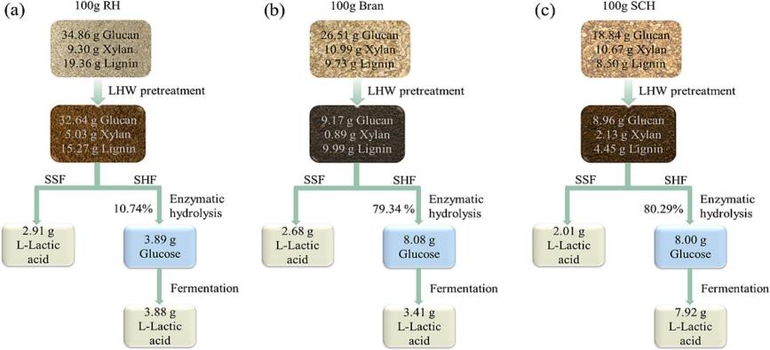
lactic acid
lactic acid
lactic acid
lactic acid
lactic acid
lactic acid
lactic acid
lactic acid
lactic acid
lactic acid
lactic acid
lactic acid
lactic acid
lactic acid
lactic acid
lactic acid
lactic acid
lactic acid
lactic acid
lactic acid
lactic acid
lactic acid
lactic acid |  |  | yield g/100g RH | 6.79
lactic acid |  |  | yield g/g RH | 0.0679
lactic acid
lactic acid
lactic acid |  | ref 3 | https://www.hindawi.com/journals/bmri/2013/934171/#conclusions
lactic acid |  |  | Optimization of Sulfide/Sulfite Pretreatment of Lignocellulosic Biomass for Lactic Acid Production
lactic acid |  |  | Table 5
lactic acid |  |  | Kinetic parameters of lactic acid fermentations during batch culturing of Lactobacillus acidophilus.
lactic acid
lactic acid |  |  | Substrate | Reagent for pretreatment | γ (initial sugar conc.) | γ (lactic acid) | η (lactic acid) | Productivity
lactic acid |  |  |  |  | gL−1 | gL−1 | gg−1 | gL−1·h−1
lactic acid
lactic acid |  |  | Corncob | Na2S | 40 |  | 0.76 | 0.44
lactic acid |  |  |  | Na2SO3 | 40 |  | 0.75 | 0.4
lactic acid |  |  | Bagasse | Na2S | 40 |  | 0.76 | 0.42
lactic acid |  |  |  | Na2SO3 | 40 |  | 0.76 | 0.42
lactic acid |  |  | Water hyacinth | Na2S | 40 |  | 0.86 | 0.52
lactic acid |  |  |  | Na2SO3 | 40 |  | 0.86 | 0.52
lactic acid |  |  | Rice husk | Na2S | 40 |  | 0.83 | 0.5
lactic acid |  |  |  | Na2SO3 | 40 |  | 0.83 | 0.5
lactic acid |  |  | Glucose | No treatment | 40 |  | 0.96 | 0.59
lactic acid
lactic acid |  |  | η (lactic acid) = lactic acid produced/sugar consumed (g/g).
lactic acid
lactic acid |  |  | η (lactic acid) | 0.83
lactic acid |  |  | sugar from rice husk | 48.072702222
lactic acid |  |  | yield g/g rice husk | 0.39900342844
lactic acid
lactic acid
lactic acid |  | ref 4 | https://link.springer.com/article/10.1007/s00449-021-02591-x
lactic acid |  |  | Enhanced lactic acid production from P2O5-pretreated biomass by domesticated Pediococcus pentosaceus without detoxification
lactic acid
lactic acid |  |  | Table 4 Comparison of lactic acid production from different biomass hydrolysates by fed-batch fermentation
lactic acid |  |  | From: Enhanced lactic acid production from P2O5-pretreated biomass by domesticated Pediococcus pentosaceus without detoxification
lactic acid |  |  | Types of biomass hydrolysates | LA (g/L) | LA conversion rate (%) | maximum productivity (g/L/h)
lactic acid |  |  | CS Corn stalk | 29.8 | 82.2 | 3.4
lactic acid |  |  | CSR corn stalk residue | 31.1 | 96.3 | 2.9
lactic acid |  |  | RHR Rice husk residue | 46.2 | 99.2 | 3.3
lactic acid
lactic acid |  |  | glu+xyl in rice husk % | 48.072702222
lactic acid |  |  | LA conversion rate (%) | 99.2
lactic acid |  |  | Yield g LA/ g rice husk | 0.47688120604
lactic acid
lactic acid
lactic acid |  | ref 5 | https://link.springer.com/article/10.1007/s10570-019-02571-1
lactic acid |  |  | Bioprocessing of rice husk into monosaccharides and the fermentative production of bioethanol and lactate
lactic acid
lactic acid |  |  | Table 2 Lactic acid yield using Lactobacillus buchneri NRRL B-30929 after 32 h of fermentation
lactic acid |  |  | Lactic acid (g L−1) | YX/S (g g−1) | YLA/S (g g−1) | YLA (%) | PV (g L−1 h−1) | µX (h−1) | µS (g g−1 h−1) | µP (g g−1 h−1)
lactic acid |  |  | 12.69 | 0.27 | 0.53 | 70.13 | 0.44 | 0.07 | 0.14 | 0.09
lactic acid
lactic acid |  |  | YX/S ratio yield of cells per substrate referred as g biomass per g sugar in the liquor (calculated at 20 h), YLA/S ratio yield of product per substrate referred as g lactic acid per g sugar present in the liquor, YLA lactic acid yield expressed as percentage of theoretical lactic acid yield (0.76 g lactic acid per g sugar), PV volumetric productivity (calculated at 28 h), µXm maximum specific rate of bacterium growth (20 h), µSm maximum specific rate of substrate degradation (20 h), µPm maximum specific rate of product formation (20 h)
lactic acid |  |  | YLA/S ratio yield of product per substrate referred as g lactic acid per g sugar present in the liquor
lactic acid |  |  | YLA lactic acid yield expressed as percentage of theoretical lactic acid yield (0.76 g lactic acid per g sugar)
lactic acid
lactic acid |  |  | YLA/S (g g−1) | 0.53
lactic acid |  |  | sugar from rice husk | 48.072702222
lactic acid |  |  | yield g/g rice husk | 0.25478532178
lactic acid
lactic acid
lactic acid
lactic acid
lactic acid
lactic acid
lactic acid | rice bran | ref 1 | https://pubs.rsc.org/en/content/articlelanding/2014/ra/c3ra46140h
lactic acid |  |  | Fermentative l-(+)-lactic acid production from defatted rice bran
lactic acid
lactic acid |  |  | Table 3 Results obtained in shaking flask experiments
lactic acid |  |  | Medium number | Lactate yield on glucose%a | Substrate use %b | Lactic acid g L−1 | Productivity g L−1 h−1
lactic acid |  |  | 1 | 97.20 ± 0.14 | 96.15 ± 2.31 | 140.18 ± 2.12 | 2.00 ± 0.06
lactic acid |  |  | 2 | 93.00 ± 0.36 | 71.43 ± 0.05 | 99.64 ± 0.35 | 1.42 ± 0.01
lactic acid |  |  | 3 | 95.00 ± 0.41 | 78.30 ± 1.33 | 111.58 ± 1.41 | 1.59 ± 0.03
lactic acid |  |  | 4 | 80.21 ± 0.22 | 43.95 ± 3.14 | 52.88 ± 2.83 | 0.76 ± 0.08
lactic acid |  |  | 5 | 94.36 ± 0.20 | 95.07 ± 1.35 | 134.56 ± 1.43 | 1.92 ± 0.03
lactic acid |  |  | 6 | 87.42 ± 0.34 | 53.58 ± 1.07 | 70.26 ± 1.26 | 1.00 ± 0.02
lactic acid |  |  | 7 | 89.00 ± 0.06 | 70.05 ± 2.53 | 93.52 ± 2.24 | 1.34 ± 0.07
lactic acid |  |  | 8 | 80.31 ± 0.51 | 52.89 ± 0.74 | 63.71 ± 0.71 | 0.91 ± 0.02
lactic acid |  |  | 9 | 95.20 ± 0.31 | 89.36 ± 0.17 | 127.61 ± 0.25 | 1.82 ± 0.01
lactic acid |  |  | 10 | 95.37 ± 0.78 | 94.86 ± 2.28 | 135.70 ± 2.09 | 1.94 ± 0.05
lactic acid |  |  | 11 | 95.97 ± 0.06 | 95.43 ± 1.17 | 137.38 ± 1.34 | 1.96 ± 0.02
lactic acid |  |  | 12 | 95.60 ± 0.09 | 95.55 ± 1.21 | 137.02 ± 1.36 | 1.96 ± 0.02
lactic acid |  |  | 13 | 96.00 ± 0.91 | 96.24 ± 0.52 | 138.59 ± 0.64 | 1.98 ± 0.01
lactic acid |  |  | 14 | 85.45 ± 0.37 | 87.61 ± 2.04 | 112.29 ± 2.01 | 1.60 ± 0.04
lactic acid |  |  | 15 | 96.10 ± 0.27 | 95.98 ± 1.52 | 138.36 ± 1.56 | 1.98 ± 0.03
lactic acid |  |  | a Lactate yield on glucose = total lactic acid obtained (g)/total glucose consumed (g). b Substrate use = total glucose consumed (g)/initial glucose (g).
lactic acid
lactic acid
lactic acid |  |  | Medium number | Lactate yield on glucose%a
lactic acid |  |  | 1 | 97.2
lactic acid |  |  | 2 | 93
lactic acid |  |  | 3 | 95
lactic acid |  |  | 4 | 80.21
lactic acid |  |  | 5 | 94.36
lactic acid |  |  | 6 | 87.42
lactic acid |  |  | 7 | 89
lactic acid |  |  | 8 | 80.31
lactic acid |  |  | 9 | 95.2
lactic acid |  |  | 10 | 95.37
lactic acid |  |  | 11 | 95.97
lactic acid |  |  | 12 | 95.6
lactic acid |  |  | 13 | 96
lactic acid |  |  | 14 | 85.45
lactic acid |  |  | 15 | 96.1
lactic acid |  |  | avrg | 91.746
lactic acid
lactic acid |  |  | glucose in rice bran % | 16.592623392
lactic acid |  |  | yield on rice bran | 0.15223068257
lactic acid
lactic acid
lactic acid |  | ref 2 | https://www.sciencedirect.com/science/article/pii/S0960852407005731?via%3Dihub
lactic acid |  |  | Utilization of rice bran as nutrient source for fermentative lactic acid production
lactic acid |  |  | Yield of lactic acid was defined as amount of lactic acid divided by total amount of glucose and productivity as lactic acid concentration divided by fermentation time.
lactic acid |  |  | When 3 and 5 g/L YE were added, there arose final lactic acid concentrations of 83 and 87 g/L, yields of 96% and 98%, productivities of 1.99 and 2.66 g/Lh, which were much higher than those from the fermentation with rice bran only (final lactic acid concentration, 68 g/L; yield, 68% and productivity, 0.27 g/Lh at pH 0.5).
lactic acid |  |  | Yield % | 68
lactic acid |  |  | glucose in rice bran % | 16.592623392
lactic acid |  |  | yield on rice bran | 0.11282983906
lactic acid
lactic acid
lactic acid |  | ref 3 | https://www.sciencedirect.com/science/article/pii/S1389172312004525?via%3Dihub
lactic acid |  |  | Fermentative l-(+)-lactic acid production from non-sterilized rice washing drainage containing rice bran by a newly isolated lactic acid bacteria without any additions of nutrients
lactic acid |  |  | hence, yield based on consumed glucose attained was 0.85 g lactic acid/g glucose
lactic acid |  |  | Yield % | 85
lactic acid |  |  | glucose in rice bran % | 16.592623392
lactic acid |  |  | yield on rice bran | 0.14103729883
lactic acid
lactic acid
lactic acid |  | ref 4 | https://www.sciencedirect.com/science/article/pii/S096085241501278X?via%3Dihub#t0005
lactic acid |  |  | Open fermentative production of l-lactic acid using white rice bran by simultaneous saccharification and fermentation
lactic acid |  |  | Table 1. Comparison between lactic acid production based on WRB in this work and those reported in the literature.
lactic acid |  |  | Parameter | Gao et al. (2008) | Tanaka et al. (2006) | Taniguchi et al. (2005) | Li et al. (2012) | This work
lactic acid |  |  | Substrate | Rice bran, glucose | Defatted rice bran | Defatted rice bran | White rice bran | White rice bran
lactic acid |  |  | Strain | Lactobacillus rhamnosus (NBRC 3863) | L. delbrueckii IFO 3202 | Lactobacillus rhamnosus (No. 16 screened from defatted rice bran) | Lactobacillus rhamnosus (LA-04-01) | Bacillus coagulans LA-15-2
lactic acid |  |  | Fermentation mode | Batch | Batch (SSF) | Batch (SSF) | Fed-batch | Batch (SSF)
lactic acid |  |  | T and pH | 42 °C, pH 6.0 | 37 °C, pH 5.0 | 37 °C, pH 4.5 | 42 °C, pH 6.25 | 50 °C, pH rise from 5.60 to 5.80
lactic acid |  |  | Sterilization | Y | N | N | Y | N
lactic acid |  |  | Inorganic salts | Na | N | N | N | N
lactic acid |  |  | Yeast extract | Yb | N | N | N | N
lactic acid |  |  | Corn steep liquor powder/corn steep liquor | N | N | N | Y | Y
lactic acid |  |  | Amylase | N | Y | Y | Y | Y
lactic acid |  |  | Glucoamylase | N | N | N | Y | Y
lactic acid |  |  | Cellulase | N | Y | Y | N | N
lactic acid |  |  | Acid-hydrolysis by H2SO4 | Y | N | N | Y | N
lactic acid |  |  | Yield of product | 98% | 78% | – | 71% | 98.75% | 86%
lactic acid |  |  | Productivity | 2.66 g L−1 h−1 | 0.78 g L−1 h−1 | 0.39 g L−1 h−1 | 1.95 g L−1 h−1 | 2.79 g L−1 h−1
lactic acid |  |  | Lactic acid concentration and optical configuration | 87 g L−1 | 28 g L−1 | 27.9 g L−1 | 123 g L−1 | 117 g L−1
lactic acid |  |  |  | l-lactic acid | d-lactic acid | l-lactic acid | l-lactic acid | l-lactic acid
lactic acid |  |  | a
lactic acid |  |  | No addition or not adopted.
lactic acid |  |  | b
lactic acid |  |  | Addition or adopted.
lactic acid
lactic acid
lactic acid |  |  | avrg yield % | 86
lactic acid |  |  | glucose in rice bran % | 16.592623392
lactic acid |  |  | yield on rice bran | 0.14269656117
...
3-HP | theoretical | theoretical | https://link.springer.com/article/10.1007/s00253-009-1898-7
lactic acid
lactic acid |  |  | average yield (g g−1) | 0.95
lactic acid |  |  | glucose in rice bran % | 16.592623392
lactic acid |  |  | yield on rice bran | 0.15762992222

sorbitol | theoretical | theoretical | https://link.springer.com/article/10.1007/s00253-002-1046-0
sorbitol |  |  | The biotechnological production of sorbitol
sorbitol |  |  | Table 1 Examples of experimental studies on the bio-production of sorbitol and gluconic acid using Zymomonas mobilis cells. D Dilution rate in continuous processing
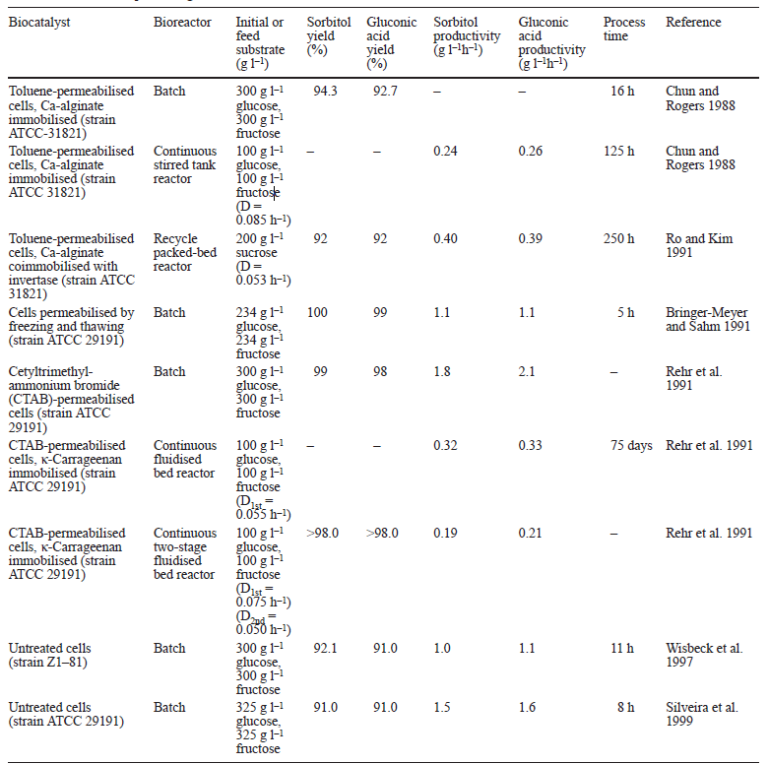
sorbitol
sorbitol
sorbitol
sorbitol
sorbitol
sorbitol
sorbitol
sorbitol
sorbitol
sorbitol
sorbitol
sorbitol
sorbitol
sorbitol
sorbitol
sorbitol
sorbitol
sorbitol
sorbitol
sorbitol
sorbitol
sorbitol
sorbitol
sorbitol
sorbitol
sorbitol
sorbitol
sorbitol
sorbitol
sorbitol
sorbitol
sorbitol |  |  |  | conversion yield
sorbitol |  |  |  | sorbitol yield %
sorbitol |  |  |  | 94.3
sorbitol |  |  |  | 92
sorbitol |  |  |  | 100
sorbitol |  |  |  | 99
sorbitol |  |  |  | 98
sorbitol |  |  |  | 92.1
sorbitol |  |  |  | 91
...
sorbitol | theoretical | theoretical | https://link.springer.com/article/10.1007/s00253-002-1046-0
sorbitol
sorbitol | rice bran | theoretical | https://link.springer.com/article/10.1007/s00253-002-1046-0
sorbitol |  |  | The biotechnological production of sorbitol
sorbitol |  |  | avrg conversion of glucose and fructose % | 95.2
sorbitol |  |  | yield g/g glucose and fructose | 0.96257777778
sorbitol |  |  | glu+ fru in rice bran % | 19.816202339
sorbitol |  |  | yield g/g rice bran | 0.19074636012
sorbitol
xylitol | theoretical | theoretical | https://www.sciencedirect.com/science/article/pii/S0922338X98800263?casa_token=aLqBeV90biIAAAAA:uqYoRDUYXPdbjyYra-122gWl9FVoabLSx-h_EHf6fDpWVOsKLf0qIS6Sd5kzioR63hHTDi8
xylitol |  |  | Microbial conversion of d-xylose to xylitol
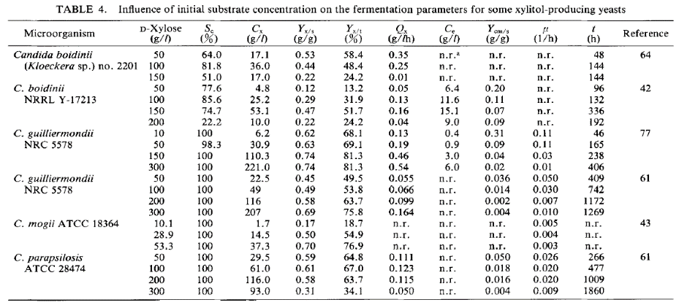
xylitol
xylitol
xylitol
xylitol
xylitol
xylitol
xylitol
xylitol
xylitol
xylitol
xylitol
xylitol
xylitol
xylitol
xylitol
xylitol
xylitol
xylitol
xylitol
xylitol
xylitol
xylitol
xylitol |  |  | Yx/s (g/g) | 0.53 | 0.44 | 0.22
xylitol |  |  |  | 0.12 | 0.29 | 0.47 | 0.22
xylitol |  |  |  | 0.62 | 0.63 | 0.74 | 0.74
xylitol |  |  |  | 0.45 | 0.49 | 0.58 | 0.69
xylitol |  |  |  | 0.17 | 0.5 | 0.7 | 0.59
xylitol |  |  |  | 0.61 | 0.58 | 0.31
xylitol |  |  | avrg Yx/s (g xylitol/g xylose) | 0.48590909091
xylitol
xylitol
xylitol | rice | theoretical | https://www.sciencedirect.com/science/article/pii/S0922338X98800263?casa_token=aLqBeV90biIAAAAA:uqYoRDUYXPdbjyYra-122gWl9FVoabLSx-h_EHf6fDpWVOsKLf0qIS6Sd5kzioR63hHTDi8
...

apple
...
Ethanol | Apple | ref 1 | https://link.springer.com/article/10.1007/s12155-023-10627-1
Ethanol | Apple |  | yield of ethanol on consumed sugar (Y P/S, g g−1)
Ethanol | Apple
Ethanol | Apple |  | avrg yied (g g−1) |  | 0.48
Ethanol | Apple |  | total sugar (g g−1 apple) |  | 13.97%
Ethanol | Apple |  | yield (g ethanol/g raw material) |  | 0.067052675284
Ethanol | Apple
Ethanol | Apple
Ethanol | Apple | ref 3 | https://www.sciencedirect.com/science/article/pii/S0960852414016125?via%3Dihub#t0020
Ethanol | Apple |  | Enhanced enzymatic hydrolysis and ethanol production from cashew apple bagasse pretreated with alkaline hydrogen peroxide
Ethanol | Apple
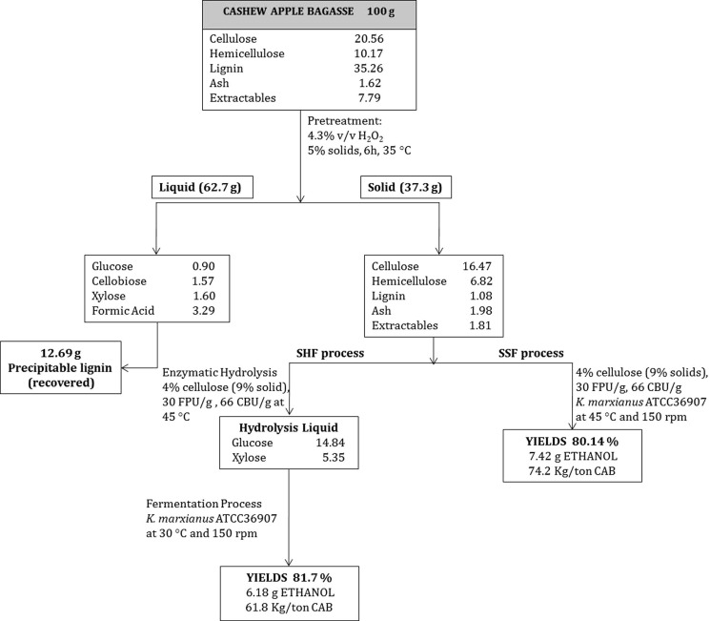
Ethanol | Apple
Ethanol | Apple
Ethanol | Apple
Ethanol | Apple
Ethanol | Apple
Ethanol | Apple
Ethanol | Apple
Ethanol | Apple
Ethanol | Apple
Ethanol | Apple
Ethanol | Apple
Ethanol | Apple
Ethanol | Apple
Ethanol | Apple
Ethanol | Apple
Ethanol | Apple
Ethanol | Apple
Ethanol | Apple
Ethanol | Apple
Ethanol | Apple
Ethanol | Apple
Ethanol | Apple
Ethanol | Apple
Ethanol | Apple
Ethanol | Apple
Ethanol | Apple
Ethanol | Apple
Ethanol | Apple
Ethanol | Apple
Ethanol | Apple
Ethanol | Apple
Ethanol | Apple
Ethanol | Apple
Ethanol | Apple
Ethanol | Apple |  | SSF yield g | 7.42
Ethanol | Apple |  | SHF yield g | 6.18
Ethanol | Apple |  | yield g ethanol /g apple bagasse | 0.068
Ethanol | Apple
Ethanol | Apple
Ethanol | Apple | ref 4 | https://docserver-ingentaconnect-com.ezproxy.library.wur.nl/deliver/connect/asp/15566560/v8n1/s14.pdf?expires=1708548221&id=0000&titleid=72010009&checksum=69ED311529DC2160386D3FBC70F6C858&host=https://www-ingentaconnect-com.ezproxy.library.wur.nl
Ethanol | Apple |  | Use of Cashew Apple Bagasse as Support for Saccharomyces cerevisiae Cells Immobilization for Ethanol Production
Ethanol | Apple |  | Table III. Storage effects: fermentation parameters of seven consecutive batches for ethanol production from cashew apple juice using immobilized yeasts in CAB. Fermentation time = 6 h and initial cell density= 113×108 cells g−1 of CAB. Cells were stored for 21 at 4 C before each batch.
Ethanol | Apple |  | Batch | YP /S (g/g)
...
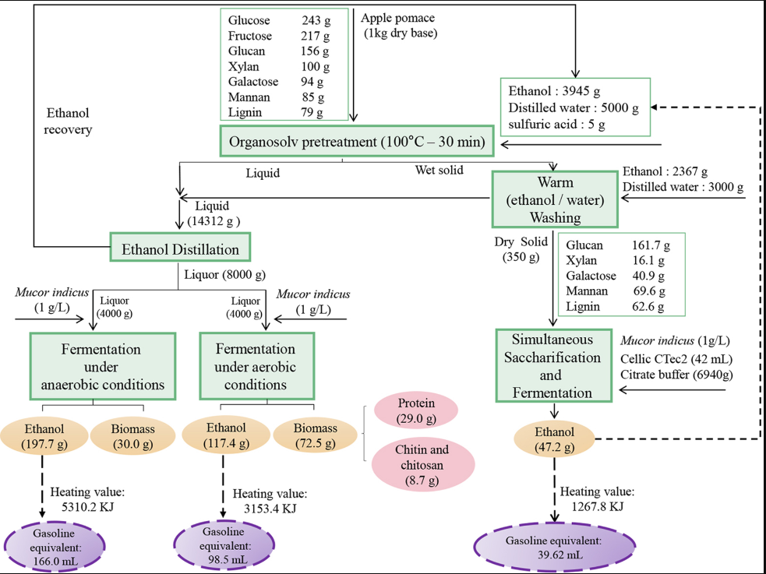
 |  |  |  |  |  |  |  |  |  |  |  |  |  |  | Fig. 3. Overall mass balance for the production of ethanol, mycoprotein, and chitosan from apple pomace. The mass composition of starting substrate is based on values reported in Table 2, i.e., 1 kg of untreated apple pomace without free sugars.
 |  |  |  |  |  |  |  |  |  |  |  |  | Ethanol yield (g/kg substratea)
 |  |  |  |  |  |  |  |  |  |  |  |  | Anaerobic | Aerobic
 |  |  |  |  |  |  |  |  |  |  |  |  | 171.7 | 66.3
 |  |  |  |  |  |  |  |  |  |  |  |  | 114.7 | 73.4
 |  |  |  |  |  |  |  |  |  |  |  |  | 1.2 | 0.8
 |  |  |  |  |  |  |  |  |  |  |  |  | 89 | 112.4
 |  |  |  |  |  |  |  |  |  |  |  |  | 75 | 68.8
 |  |  |  |  |  |  |  |  |  |  |  |  | 2.2 | 0.2
 |  |  |  |  |  |  |  |  |  |  |  |  | 180.4 | 113.4
 |  |  |  |  |  |  |  |  |  |  |  |  | 161.2 | 119.6
 |  |  |  |  |  |  |  |  |  |  |  |  | 4.1 | 1.4
 |  |  |  |  |  |  |  |  |  |  |  |  | 92.9 | 62.2
 |  |  |  |  |  |  |  |  |  |  |  |  | 106.5 | 91.3
 |  |  |  |  |  |  |  |  |  |  |  |  | 11.2 | 2.6
 |  |  |  |  |  |  |  |  |  |  |  |  | 197.7 | 117.5
 |  |  |  |  |  |  |  |  |  |  |  |  | 187.1 | 145.6
 |  |  |  |  |  |  |  |  |  |  |  |  | 5 | 3.7
 |  |  |  |  |  |  |  |  |  |  |  |  | 101.2 | 62.8
 |  |  |  |  |  |  |  |  |  |  |  |  | 82.1 | 37.8
 |  |  |  |  |  |  |  |  |  |  |  |  | 8.7 | 3.2
 |  |  |  |  |  |  |  |  |  |  |  |  | 147.7 | 97.4
 |  |  |  |  |  |  |  |  |  |  |  |  | 139.9 | 86.9
 |  |  |  |  |  |  |  |  |  |  |  |  | 2.5 | 1.6
 |  |  |  |  |  |  |  |  |  |  |  |  | 96.4 | 100.7 | stream 1 | 197.7 | g ethanol/kg dry based apple pomac
 |  |  |  |  |  |  |  |  |  |  |  |  | 111.9 | 109.2 | stream 2 | 117,4 | g ethanol/kg dry based apple pomac
 |  |  |  |  |  |  |  |  |  |  |  |  | 5.9 | 2.2 | stream 3 | 47.2 | g ethanol/kg dry based apple pomac
 |  |  |  |  |  |  |  |  |  |  |  |  | 87.341666667 | 61.708333333 | all | 244.9 | g ethanol/kg dry based apple pomace
 |  |  |  |  |  |  |  |  |  |  |  |  |  |  |  | 90.21% | DM in apple pomace
 |  |  |  |  |  |  |  |  |  |  | from liquor | Yield (g ethanol/ g apple pomace) | avrg | 0.074525 |  | 0.22092429 | Yield (g ethanol/ g apple pomace)
 |  |  |  |  |  | avrg | 0.034204
 |  |  |  |  |  |  | 0.108729 | We disgard this result due to too many low values
...
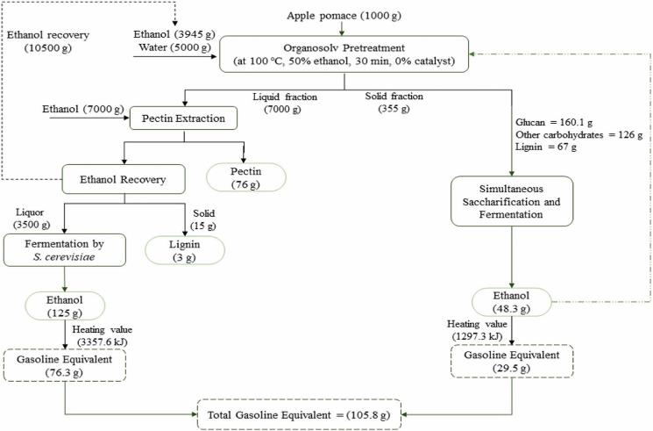
 |  |  |  |  |  |  |  |  |  |  | Fig. 5. Overall mass balance and total gasoline equivalent for ethanol production.
 |  |  |  |  |  |  | Fequivalent(ML) |  | ΔGHG (kt CO2 eq)
 |  |  |  |  |  | E10 | E85 | E10 | E85 | E10
 |  |  |  |  |  | 171.1 | 14.6 | 165.5 | 24.5 | 24.7
 |  |  |  |  |  | 593 | 50.8 | 574.1 | 84.9 | 85.6
 |  |  |  |  |  | 499.6 | 42.8 | 483.6 | 71.5 | 72.1
 |  |  |  |  |  | 144.8 | 12.4 | 140.1 | 20.7 | 20.9
 |  |  |  |  |  | 499.6 | 42.7 | 483.5 | 71.4 | 72 |  |  |  |  | stream 1 | 125 | g ethanol/kg apple pomac
 |  |  |  |  |  | 344.3 | 29.5 | 333.2 | 49.3 | 49.6 |  |  |  |  | stream 2 | 48.3 | g ethanol/kg apple pomac
 |  |  |  |  |  | 115.3 | 9.9 | 111.6 | 16.5 | 16.6 |  |  |  |  | all | 173.3 | g ethanol/kg apple pomace
 |  |  |  |  |  | 429.1 | 36.7 | 415.4 | 61.4 | 61.9 |  |  |  |  |  | 0.1733 | Yield (g ethanol/ g apple pomace)
 |  |  |  |  |  | 386.7 | 33.1 | 374.3 | 55.3 | 55.8
 |  |  |  |  |  | 170.4 | 14.6 | 164.9 | 24.4 | 24.6
 |  |  |  |  |  | 533.8 | 45.7 | 516.8 | 76.4 | 77.1
 |  |  |  |  |  | 265.5 | 22.7 | 257.1 | 38 | 38.3
 |  |  |  |  |  | 109.5 | 9.4 | 106 | 15.7 | 15.8
 |  |  |  |  |  | 450.3 | 38.6 | 435.9 | 64.5 | 64.9
 |  |  |  |  |  | 352.8 | 30.2 | 341.5 | 50.5 | 51
 |  |  |  |  |  | 181.4 | 15.5 | 175.6 | 26 | 26.1
 |  |  |  |  |  | 370.6 | 31.7 | 358.7 | 53.1 | 53.5
 |  |  |  |  |  | 330.9 | 28.3 | 320.3 | 47.7 | 47.7
 |  |  |  |  |  | 162.2 | 13.9 | 157 | 23.2 | 23.4
 |  |  |  |  |  | 400 | 34.3 | 387.2 | 57.3 | 57.7
 |  |  |  |  |  | 401.1 | 34.3 | 388.2 | 57.4 | 57.8
 |  |  |  |  |  | 176.2 | 15.1 | 170.6 | 25.2 | 25.4
 |  |  |  |  |  | 483.5 | 41.4 | 468.1 | 69.2 | 69.8
 |  |  |  |  |  | 260.8 | 22.3 | 252.4 | 37.3 | 37.6
 |  |  |  |  |  | 142.7 | 12.2 | 138.1 | 20.4 | 20.6
...

orange
...
Ethanol | orange | ref 1 | https://pubs-rsc-org.ezproxy.library.wur.nl/en/content/articlelanding/2013/ra/c3ra43722a
Ethanol | orange peel |  |  |  | orange peel | 3.84 | 3.84 | 2.64 | 3.40 | 0.00 | 1.37 | 10.53
Ethanol | orange peel |  |  |  | TY | 80%
Ethanol | orange peel |  |  |  | EtOH g/100g orange | 6.4417126175
Ethanol | orange peel |  |  |  | Yield EtOH g/g orange | 0.064417126175
Ethanol | orange peel
Ethanol | orange peel
Ethanol | orange peel
Ethanol | orange peel | ref 2 |  | https://pubs.acs.org/doi/10.1021/jf903163t
Ethanol | orange peel |  |  | Ethanol Production from Orange Peels: Two-Stage Hydrolysis and Fermentation Studies Using Optimized Parameters through Experimental Design
Ethanol | orange peel |  |  | Table 9. Ethanol Productivity Parameters for Fermentation of the Filtrate Obtained through Primary and Secondary Hydrolysis Using RSM-Optimized Parametersa
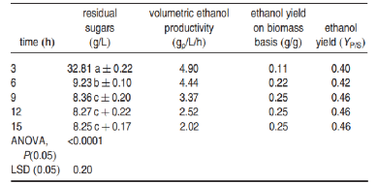
Ethanol | orange peel
Ethanol | orange peel
Ethanol | orange peel
Ethanol | orange peel
Ethanol | orange peel
Ethanol | orange peel
Ethanol | orange peel
Ethanol | orange peel
Ethanol | orange peel
Ethanol | orange peel
Ethanol | orange peel |  |  | a: Means that have the same letter are not significantly different. Although the fermentation of the filtrate obtained during primary and secondary hydrolysis was separately carried out, the results presented in the table represent productivity of the overall process.
Ethanol | orange peel
Ethanol | orange peel |  |  | ethanol yield (g/g sugar) |  | 0.4 | 0.42 | 0.46 | 0.46 | 0.46
Ethanol | orange peel |  |  | avrg |  | 0.44
Ethanol | orange peel |  |  | sugar content [g sugar/ g orange peel] |  | 0.16
Ethanol | orange peel |  |  | yield [g ethanol / g orange peel] |  | 0.069333501754
Ethanol | orange peel
Ethanol | orange peel | ref 3 |  | https://academic.oup.com/lambio/article-abstract/62/1/75/6699684?redirectedFrom=fulltext
Ethanol | orange peel |  |  | High temperature alcoholic fermentation of orange peel by the newly isolated thermotolerant Pichia kudriavzevii KVMP10
Ethanol | orange peel |  |  | Table 2 Production of ethanol from citrus waste in microbial fermentations
Ethanol | orange peel |  |  |  |  | Wilkins et al. (2007a) | Wilkins et al. (2007a) | Wilkins et al. (2007b) | Wilkins (2009) | Sharma et al. (2007 | Oberoi et al. (2010) | Oberoi et al. (2011)
...
 |  | theoretical | glucose in orange | 4.23
 |  |  | yield (isoprene/orange) | 0.0071829473684

 |  | theoretical | glucose in orange peel | 10.53
 |  |  | yield (isoprene/orange peel) | 0.017897838596

 |  | theoretical | yield g/g sugar | 0.66714285714
 |  |  | glu+fru+xyl in orange | 11.640526316
 |  |  | succinate yield g/g orange | 0.07765893985

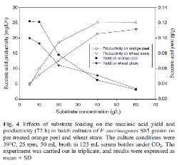
 |  | ref 1 | https://link.springer.com/article/10.1007/s00253-010-2726-9
 |  |  | Succinic acid production from orange peel and wheat straw by batch fermentations of Fibrobacter succinogenes S85

 |  |  | Yield on orange peel g/g | 0.122

 |  | ref 2 | https://arccjournals.com/journal/indian-journal-of-agricultural-research/AF-764
 |  |  | Study the Effect of Different Renewable Carbon Sources on the Succinic Acid Biosynthesis by Optimization Culture Composition using 4-Liter Scale Bioreactor

 |  |  | for orange peel
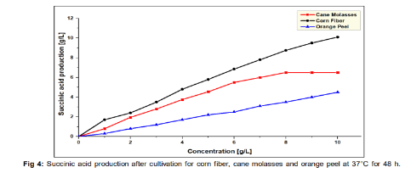
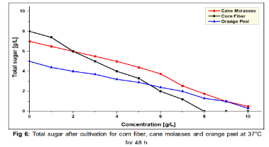
 |  |  | concentration g/L | 10 | 0
 |  |  | SA production g/L | 4.48 | 0
 |  |  | total sugar g/L | 0.3 | 5
 |  |  | Δ SA / Δ sugar g/g | 0.95319148936
 |  |  | sugar in orange peel | 15.757614035
 |  |  | yield g/ g orange peel | 0.15020023591

 |  | ref 3 | https://www.sciencedirect.com/science/article/pii/S0956053X20303305#t0010
 |  |  | A biorefinery for conversion of citrus peel waste into essential oils, pectin, fertilizer and succinic acid via different fermentation strategies

 |  |  | Table 2. Succinic acid concentration and yield achieved in batch and fed-batch fermentations by A. succinogenes.
 |  |  | Carbon source | Batch |  |  | Fed-Batch |  |  | Reference
 |  |  |  | Succinic acid (g L−1) | Yield (gsa gtsc−1) | Productivity (g L−1h−1) | Succinic acid (g L−1) | Yield (gsa gtsc−1) | Productivity (g L−1h−1)
 |  |  | Glucose | 19 | 0.76 | 1.4 | 60.2 | 0.75 | 1.3 | Liu et al., 2008b
 |  |  | Glycerol | 24.4 | 0.95 | 2.13 | 49.6 | 0.64 | 0.96 | Carvalho et al. (2014)
 |  |  | Sucrose | 57.1 | 0.72 | nd* | 60.5 | 0.83 | 2.16 | Jiang et al. (2014)
...

banana
...
 |  |  | dry matter in banana % wet weight | 21.90%
 |  |  | density EtOH (g/L) | 789
 |  |  | EtOH L/t wet wight | 75.8835
 |  |  | EtOH yield g/g fresh weight | 0.0598720815

 |  | ref 3 | https://iopscience.iop.org/article/10.1088/1742-6596/2049/1/012084/pdf
 |  |  | Dynamic Simulation of Bioethanol Production from Banana Rejected using Flocculating Yeast

 |  |  | Table 1: Kinetic parameter used for simulations
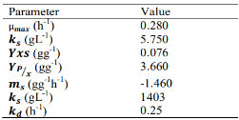

 |  |  |  | 𝑌𝑥𝑠 is the yield of Saccharomyces cerevisiae cells produced per unit of glucose consumed
 |  |  |  | 𝑃 is the bioethanol concentration

 |  |  | Y x/s (g/g) | 0.076
 |  |  | Y p/x (g/g) | 3.66
 |  |  | Y p/s (g/g) g ethanol/g sugar | 0.27816
 |  |  | sugar in banana | 16.37%
 |  |  | Yield (g/g) g ethanol/g banana | 0.045536256

 |  | ref 4 | https://www.scopus.com/record/display.uri?eid=2-s2.0-84893926485&origin=resultslist&sort=r-f&src=s&sid=2000dec68bbc9a91a692683d626c4879&sot=b&sdt=b&s=TITLE-ABS-KEY%28%28+%22banana%22+%29+AND+%28+%22ethanol+production%22+%29+AND+NOT+%28+%22peel%22+OR+%22stem%22+OR+%22leaf%22+%29%29&sl=55&sessionSearchId=2000dec68bbc9a91a692683d626c4879&relpos=7
 |  |  | Comparison of biomass and ethanol production kinetics of commercial baker's yeast (S. Cerevisiae) in a chemically defined medium against cane molasses, waste Banana pulp and waste potato flour
 |  |  | Among sugary wastes, waste Banana pulp shows maximum ethanol Conc., maximum ethanol productivity and maximum % sugar utilization i.e. 39.261 g/L, 0.238 g/Lh and 84.73 respectively.
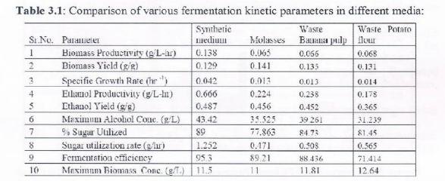

 |  |  | Ethanol yield (g/g) Weight of ethanol produces/Mass of glucose utilized | 0.45
 |  |  | glucose in banana | 8.57%
 |  |  | Yield (g/g) g ethanol/g banana | 0.038714989474

 |  | ref 5 | https://link.springer.com/article/10.1007/s11274-023-03588-2#Tab1
 |  |  | From: Fruit residues as biomass for bioethanol production using enzymatic hydrolysis as pretreatment
 |  |  | Table 1 Fermentation kinetics data at the beginning and end of the process.

 |  |  |  |  |  |  |  | Y P/RS | Reducing Sugars to Etanol conversion

 |  |  |  |  |  |  |  | 0.159

 |  |  |  |  |  |  |  | 0.182

 |  |  | avrg Y p/rs (g/g) g ethanol/g sugar | 0.1705
 |  |  | sugar in banana | 16.37%
 |  |  | Yield (g/g) g ethanol/g banana | 0.027911747368

 | banana peel |  | https://link.springer.com/article/10.1007/s00449-020-02442-1
 |  |  | sugar content
 |  |  | Table 2 Yield of carbohydrates and TPC obtained from banana peels after acid and alkaline pretreatments


 |  |  |  |  |  |  | glu | xyl | ara | XOS
 |  |  |  |  |  |  | 48.8 | 348.5 | 7.1 | 17.3
 |  |  |  |  |  |  | 68.6 | 159.7 | 125.8 | 27.1
 |  |  |  |  |  |  | 38.6 | 225.3 | 174 | 26.4
 |  |  |  |  |  |  |  |  |  |  | avrg

 |  | ref 1 | https://www.sciencedirect.com/science/article/pii/S1364032123009486?via%3Dihub#tbl2
 |  |  | Ethanologenic yeasts from Ethiopian fermented beverages and optimization of fermentation conditions

 |  |  | Table 2. Sugar utilization percentage and ethanol yield parameters of selected isolates after 72 h of incubation at 30 OC.
 |  |  | Isolate | SU (%) | EC (g/L) | YE (g/L) | FE (%) | EP (g/L/h) | YoE (g/Kg) | Yield of Ethanol (g/Kg) of biomass | Yield of Ethanol g/g
...
 |  | ref 4 | https://www.sciencedirect.com/science/article/pii/S0956053X11000742?via%3Dihub#t0030
 |  |  | a
 |  |  | Residual sugars not fermented by the yeast strain were deducted while making calculations for Y(p/s).

 |  |  | avrg Ethanol product yield on sugar basis (g/g) | 0.286
 |  |  | sugar in banana peel % | 49.201161616
 |  |  | Ethanol product yield on banana peel basis (g/g) | 0.14071532222

 |  | ref 5 | https://link.springer.com/article/10.1007/s12088-007-0057-z
 |  |  | Optimization of fermentation parameters for production of ethanol from kinnow waste and banana peels by simultaneous saccharification and fermentation
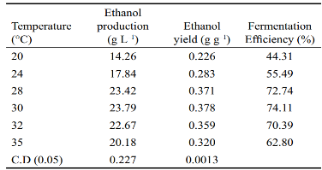
 |  |  |  |  |  | ethanol yield (g/g)

 |  |  |  |  |  | 0.226
 |  |  |  |  |  | 0.283
 |  |  |  |  |  | 0.371
 |  |  |  |  |  | 0.378
 |  |  |  |  |  | 0.359
 |  |  |  |  |  | 0.32

 |  |  | ethanol yield (g/g sugar) | 0.32283333333
 |  |  | sugar in banana peel % | 49.201161616
 |  |  | Ethanol product yield on banana peel basis (g/g) | 0.15883775008

furfural | banana | theoretical | https://ift.co.za/media/mediafiles/archive/SAIChE%20Congress%202003%20Arnold%20and%20Buzzard%20paper.pdf
 |  |  | A NOVEL PROCESS FOR FURFURAL PRODUCTION

 |  |  | 𝒀_(𝒇𝒖𝒓𝒇𝒖𝒓𝒂𝒍/𝒙𝒚𝒍𝒐𝒔𝒆 ) | 0.7272
 |  |  | xylose content | 0.00%
...

sweet potato
...
ethanol | sweet potato | ref 1 | https://www.sciencedirect.com/science/article/pii/S0959652611005683?via%3Dihub#tbl6
 |  |  | a
 |  |  | Run 1 (optimal condition for hydrogen production): sweet potato 50 g COD/L, sewage sludge seed, temperature 37 °C and pH 7.0; Run 2 (optimal condition for ethanol production): sweet potato 50 g COD/L, sewage sludge seed, temperature 37 °C and pH 8.5; Run 3 (optimal condition for hydrogen and ethanol production using indigenous bacteria): sweet potato 50 g COD/L, indigenous bacteria seed, temperature 37 °C and pH 7.0; Heating value parameters: H2 285.8 J/mmol and ethanol 1366 J/mmol.

 |  |  | avrg Ethanol production yield (mmol EtOH/g sweet potato) | 0.69
 |  |  | avrg Ethanol production yield (g EtOH/g sweet potato) | 0.03174

 |  | ref 2 | https://iubmb.onlinelibrary.wiley.com/doi/10.1002/bab.1190
 |  |  | The use of plant cell wall–degrading enzymes from newly isolated Penicillium ochrochloron Biourge for viscosity reduction in ethanol production with fresh sweet potato tubers as feedstock

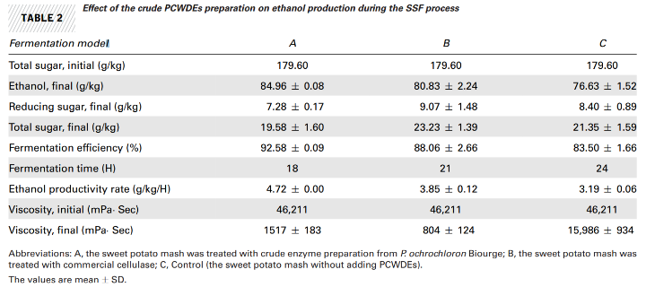

 |  |  |  |  |  |  | AVRG
 |  |  | Total sugar, initial (g/kg) | 179.6 | 179.6 | 179.6 | 179.6
 |  |  | Total sugar, final (g/kg) | 19.58 | 23.23 | 21.35 | 21.386666667
 |  |  | Ethanol, final (g/kg) | 84.96 | 80.83 | 76.63 | 80.806666667
 |  |  | sugar used (g/kg) |  |  |  | 158.21333333
 |  |  | yield ethanol/ sugar( g/g) |  |  |  | 0.51074498567
 |  |  | sugar in sweet potato |  |  |  | 0.2165
 |  |  | yield ethanol/ sweet potato ( g/g) |  |  |  | 0.1105762894
...
 |  | ref 4 | https://www.sciencedirect.com/science/article/abs/pii/S0960852412017099?via%3Dihub
 |  |  | ethanol | 14.4
 |  |  | fresh sweet potato storage roots | 100
 |  |  | yield ethanol / sweet potato | 0.144

 |  |  | theoretical yield % | 87.20%
 |  |  | theoretical yield ethanol / sweet potato g/g | 0.16513761468

 |  | ref 5 | https://www.scientific.net/AMR.236-238.59
 |  |  | Very high gravity fermentation using sweet potato for fuel ethanol productio

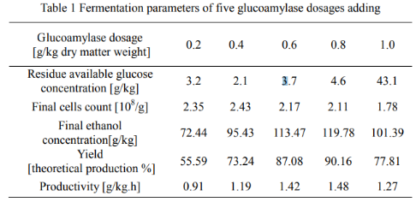

 |  |  |  |  | 55.59 | 73.24 | 87.08 | 90.16 | 77.81

 |  |  | avrg Yield [theoretical production %] | 76.776
 |  |  | theoretical yield ethanol / sweet potato g/g | 0.16513761468
 |  |  | yield ethanol / sweet potato g/g | 0.12678605505

 | sweet potato pulp | theoretical | C6H12O6 = 2 C2H5OH + 2 CO2
 |  |  | 180 | 46
 |  |  | ethanol g/ g sugar | 0.51143
...

corn
...
Chemical | FL
Ethanol | Corn |  | moisture content of maize grain ranged from 26.25 to 34.15% |  | https://www.researchgate.net/figure/Average-moisture-content-of-grain-and-corn-cob-cores-at-harvest_tbl1_359924478
Ethanol | Corn
Ethanol | Corn |  | moisture ocntent | 30.2
Ethanol | Corn |  | yield g/g grain | 0.25125091667
Ethanol | Corn
Ethanol | Corn
Ethanol | Corn
Ethanol | Corn
Ethanol | Corn
Ethanol | Corn
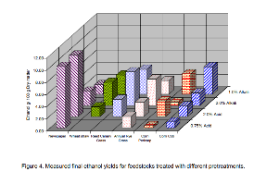
Ethanol | Corn
Ethanol | Corn pericarp | Ref 1 | https://elibrary.asabe.org/abstract.asp?aid=27102
Ethanol | Corn pericarp |  | Evaluation of seven feedstocks for cellulosic ethanol production in the northwestern United States of America
Ethanol | Corn pericarp |  | Figure 4. Measured final ethanol yields for feedstocks treated with different pretreatments.
Ethanol | Corn pericarp |  | corn pericarp | 0.75% acid | 0.31
Ethanol | Corn pericarp |  | ethanol g/ 100 g dry matter | 2.0% aicd | 2.68
Ethanol | Corn pericarp |  |  | 2.0% alkali | 0.56
Ethanol | Corn pericarp |  |  | 1% alkali | 3.31
Ethanol | Corn pericarp |  |  | avrg | 1.715
Ethanol | Corn pericarp |  | moisture in corn pericarp | 37.50%
Ethanol | Corn pericarp |  | ethanol g/ g corn percicarp | 0.01071875
Ethanol | Corn germ
Ethanol | Corn germ | Ref 1 | https://www.mdpi.com/2227-9717/10/4/661 |  |  |  | Figure 3
Ethanol | Corn germ |  | Processes | Free Full-Text | Coprocessing Corn Germ Meal for Oil Recovery and Ethanol Production: A Process Model for Lipid-Producing Energy Crops (mdpi.com)
Ethanol | Corn germ |  | Treatment type | Ethanol yield (% w/w germ) | Average yield (g/g)
Ethanol | Corn germ |  | A | 38.90 | 0.50
Ethanol | Corn germ |  | B | 60.10
Ethanol | Corn germ |  | C | 49.90
Ethanol | Corn germ |  | MAX | 60.10
Ethanol | Corn germ |  | MIN | 38.90
...
Chemical | FL
levulinic acid | Corn
levulinic acid | Corn
levulinic acid | Corn |  | yield (g LA / g carbohydrate) | 0.085740740741
levulinic acid | Corn |  | carbohydrate in corn (%) | 87.06
levulinic acid | Corn |  | yield (g LA / g corn) | 0.07464574262
levulinic acid | Corn
levulinic acid | Corn | ref 3 | High concentration levulinic acid production from corn stover
levulinic acid | Corn |  | https://pubs.rsc.org/en/content/articlelanding/2016/ra/c6ra23768a
levulinic acid | Corn |  | Fig. 4 Fructose loading effects on fructose conversion, maximum LA yield, and LA loading (reaction conducted at 95 °C and HMF was completely consumed).
levulinic acid | Corn
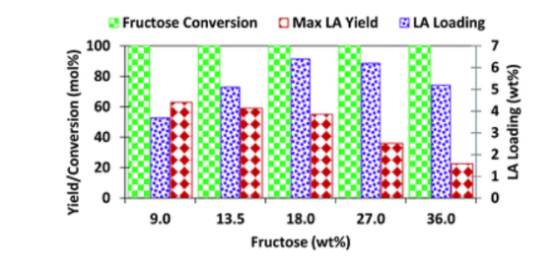
levulinic acid | Corn
levulinic acid | Corn
levulinic acid | Corn
levulinic acid | Corn
levulinic acid | Corn
levulinic acid | Corn
levulinic acid | Corn
levulinic acid | Corn
levulinic acid | Corn
levulinic acid | Corn
levulinic acid | Corn
levulinic acid | Corn
levulinic acid | Corn
levulinic acid | Corn
levulinic acid | Corn
levulinic acid | Corn
levulinic acid | Corn |  | yield (mol %) | 63.63
levulinic acid | Corn |  |  | 60
levulinic acid | Corn |  |  | 55.58
levulinic acid | Corn |  |  | 36.36
levulinic acid | Corn |  |  | 22.86
levulinic acid | Corn |  | avrg | 47.686
levulinic acid | Corn |  | mol weight fru | 180
levulinic acid | Corn |  | mol weight LA | 116
...
Chemical | FL
levulinic acid | Corn |  | 8 | 20 | 180 | 50 | 1.03 | 1.85 | 0.39 | 0 | 2.43
levulinic acid | Corn |  | 9 | 100 | 200 | 30 | 0 | 0.08 | 0.36 | 0.11 | 5.58
levulinic acid | Corn |  | 10 | 60 | 200 | 50 | 0 | 0.08 | 0.36 | 0.1 | 4.92
levulinic acid | Corn |  | 11 | 100 | 180 | 10 | 0 | 0.15 | 0.45 | 0.15 | 5.89
levulinic acid | Corn |  | 12 | 20 | 160 | 30 | 0.26 | 3.33 | 1.63 | 0.29 | 1.35
levulinic acid | Corn |  | 13 | 20 | 200 | 30 | 0 | 0 | 0.47 | 0.11 | 4.87
levulinic acid | Corn |  | 14 | 100 | 180 | 50 | 0 | 0.05 | 0.47 | 0.13 | 6.23
levulinic acid | Corn |  | 15 | 20 | 180 | 10 | 0.72 | 6.09 | 0.59 | 0.15 | 2.26
levulinic acid | Corn |  | 16 | 60 | 160 | 50 | 0.63 | 0.88 | 0.43 | 0 | 3.34
levulinic acid | Corn |  | 17 | 100 | 160 | 30 | 0.23 | 2.51 | 0.45 | 0.14 | 5.01
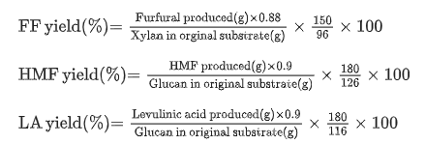
levulinic acid | Corn
levulinic acid | Corn
levulinic acid | Corn
levulinic acid | Corn
levulinic acid | Corn
levulinic acid | Corn
levulinic acid | Corn
levulinic acid | Corn
levulinic acid | Corn
levulinic acid | Corn |  | LA yield % | 48.811764706
levulinic acid | Corn |  | LA yield (g LA/g glucan) | 34.951633987
levulinic acid | Corn |  | g glucan in g Corn | 83.12
levulinic acid | Corn |  | LA yield (g LA/g corn) | 0.29052868294
levulinic acid | Corn
levulinic acid | Corn | ref 5 | Kinetic study of levulinic acid production from corn stalk at mild temperature using FeCl3 as catalyst
levulinic acid | Corn |  | https://www.sciencedirect.com/science/article/pii/S0016236116308754?via%3Dihub#t0015
levulinic acid | Corn |  | Table 3. Optimal treatment conditions of glucose and LA obtained from the kinetic model.
levulinic acid | Corn |  | T (°C) | FeCl3 concentration (mol/L) | Time (min) | Maximum glucose yield (%) | Time (min) | Maximum LA yield (%)
...
 |  | theoretical | https://link.springer.com/article/10.1007/s00253-002-1046-0
 |  |  |  | 0.94
 |  |  |  | 0.98
 |  |  |  | 0.93
 |  |  |  | 0.96
 |  |  |  | 0.98
 |  |  |  | 0.95
 |  |  | avrg | 0.95111111111
 |  |  | xylose in corn % | 3.94
 |  |  | yield g/g corn | 0.037443034792
...
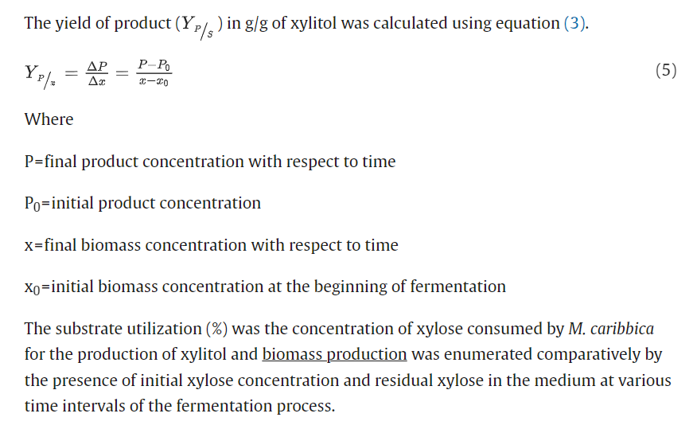
 |  | theoretical | https://link.springer.com/article/10.1007/s00253-002-1046-0
 |  | ref 3 | https://www.sciencedirect.com/science/article/pii/S096085242101018X
 |  |  | Particle size influence on the composition of sugars in corncob hemicellulose hydrolysate for xylose fermentation by Meyerozyma caribbica
 |  |  | Table 1. Over all mass balance analysis in synthetic, non detoxified and detoxified hydrolysate medium for xylitol fermentaion by M. carribica.
 |  |  | Inoculum | Empty Cell | 10.0 ± 0.5 % of V/V M. caribbica with 5 g/L concentration of yeast extract | Empty Cell | Empty Cell
 |  |  | Mass balance parameters | Unit | Medium
 |  |  |  |  | Synthetic | Non detoxified hydrolysate | Detoxified hydrolysate
 |  |  | Initial xylose concentration | (g/L) | 50.0 ± 5.0 | 50.0 ± 5.0 | 50.0 ± 5.0
 |  |  | Final xylose concentration at 120 h | (g/L) | 0.310 ± 0.010 | 3.90 ± 0.5 | 0.15 ± 0.5
 |  |  | Xylose consumption | (%) | 47.5 ± 1.290 | 38.50 ± 1.50 | 49.5 ± 1.00
 |  |  | Initial glucose concentration | (g/L) | 0.00 ± 0.000 | 10.50 ± 0.5. | 1.50 ± 0.50
 |  |  | Final glucose concentration | (g/L) | 0.00 ± 0.000 | 9.00 ± 0.5. | 5.00 ± 0.50
 |  |  | Glucose consumption | (%) | 0.00 ± 0.000 | 0.02 ± 0.05 | 1.00 ± 0.50
 |  |  | Initial xyitol concentration | (g/L) | 0.00 ± 0.000 | 0.00 ± 0.000 | 0.00 ± 0.000
 |  |  | Final xylitol concentration | (g/L) | 22.50 ± 5.0 | 3.50 ± 0.050 | 25.00 ± 5.00
 |  |  | Xylitol yield t = 120 h | (%) | 45.0 ± 1.00 | 10.00 ± 1.00 | 54.00 ± 1.00
 |  |  | Initial cells concentration | (%) | 10.0 ± 0.50 | 10.0 ± 0.50 | 10.0 ± 0.50
 |  |  | Final cells concentration | (g cell/L) | 5.00 ± 0.50 | 0.50 ± 0.50 | 10 ± 0.50
 |  |  | Biomass yield | (g/g) (YX/S) | 0.193 ± 0.012 | 0.014 ± 0.50 | 1.093 ± 0.05
 |  |  | Xylitol productivity | g/L/h | 0.166 ± 0.050 | 0.033 ± 0.010 | 0.250 ± 0.050
 |  |  | Specific growth rate | (h−1) (μ) | 0.056 ± 0.01 | 0.026 ± 0.01 | 0.054 ± 0.01
 |  |  | NA: Not available; ND: Not detected; DNS: Data not showed in the study
 |  |  |  | yield
 |  |  |  | 45
 |  |  |  | 10
 |  |  |  | 54
 |  |  | avrg (% g/g substrate) | 36.333333333
 |  |  | xylose in corn % | 3.94
 |  |  | yield g/g corn | 0.014303589226
...

Wheat
...
Chemical | FL
Ethanol | Wheat Bran |  | Ethanol yielda |  | 0.37 | 0.4 | 0.45 | 0.34 | 0.37 | 0.32 | 0.39 | 0.31 | 0.36 | 0.36777777778
Ethanol | Wheat Bran |  |  |  | -73% | -79% | -88% | -66% | -72% | -63% | 77%) | -61% | -70%
Ethanol | Wheat Bran |  | a
Ethanol | Wheat Bran |  | Ethanol yield as g/g and % of theoretical maximum (0.51 g/g from glucose) indicated in brackets.
Ethanol | Wheat Bran |  | yield (g/g glucose) | 0.4237037037
Ethanol | Wheat Bran |  | tot glucose in wheat bran | 34.84
Ethanol | Wheat Bran |  | yield (gethanol/g wheat bran) | 0.14759953909
Ethanol | Wheat Bran | ref 5 | Processing wheat bran into ethanol using mild treatments and highly fermentative yeasts
Ethanol | Wheat Bran |  | https://www.sciencedirect.com/science/article/pii/S0961953412002784?via%3Dihub
Ethanol | Wheat Bran |  | All fermentation kinetics were also evaluated considering the difference between the observed ethanol yields, displayed by the yeasts at the end of the fermentations, and the expected ones according to the alcohol yield obtained in the reference fermentations by S. diastaticus ATCC 13007 (0.41 g g1 ) and S. cerevisiae (0.48 g g1 ).
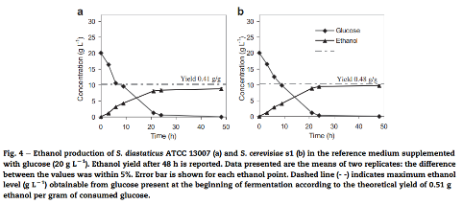
Ethanol | Wheat Bran |  | yield (g ethanol /g consumed glucose) | 0.41
Ethanol | Wheat Bran |  |  | 0.48
Ethanol | Wheat Bran |  | avrg | 0.445
Ethanol | Wheat Bran |  | tot glucose in wheat bran | 34.84
Ethanol | Wheat Bran |  | yield (gethanol/g wheat bran) | 0.15501822222
Ethanol | Wheat Bran
Ethanol | Wheat Bran
Ethanol | Wheat Bran
Ethanol | Wheat Bran
Ethanol | Wheat Bran
Ethanol | Wheat Bran
Ethanol | Wheat Bran
Ethanol | Wheat germ | theoretical | C6H12O6 = 2 C2H5OH + 2 CO2
Ethanol | Wheat germ |  | 180 | 46
Ethanol | Wheat germ |  | ethanol g/ g sugar | 0.51143
Ethanol | Wheat germ |  | sugar in wheat germ % | 41.80
Ethanol | Wheat germ |  | ethanol /wheat germ g/g | 0.21377774
Ethanol | Wheat germ
Furfural | Wheat | Ref 1 | https://www.sciencedirect.com/science/article/pii/S2589014X22000792
Furfural | Wheat |  | Development of a universal method for high yield of furfural and hydrogen from raw lignocellulosic biomass - ScienceDirect
Furfural | Wheat |  | The highest furfural production of 154 mg g−1 substrate was obtained from wheat straw.
Furfural | Wheat |  | Furfural (mg/g wheat) | 154
...
Chemical | FL
Furfural | Wheat |  | 4 | 180 | 60 | 0.3 | 42 | 21 | 0.26880391661 |  | 0.051072744155
Furfural | Wheat |  | 5 | 180 | 120 | 0.3 | 40 | 25 | 0.2560037301 |  | 0.048640708719
Furfural | Wheat |  | 6 | 180 | 90 | 0.4 | 67 | 32 | 0.42880624792 |  | 0.081473187105
Furfural | Wheat |  | 7 | 180 | 90 | 0.5 | 58 | 27 | 0.37120540865 |  | 0.070529027643
Furfural | Wheat |  |  |  |  | MAX | 67
Furfural | Wheat |  |  |  |  | MIN | 36
Furfural | Wheat |  | The composition of wheat straw was determined by the standard NREL laboratory analytical procedures [28], the content is as follows: ash (9.8%), glucan (35.5%), xylan (21.9%), arabinan (2.1%), galactan (1.6%), lignin (20.1%) and others (9%).
Furfural | Wheat
Furfural | Wheat | Ref 4 | https://pubs.rsc.org/en/content/articlelanding/2015/RA/C5RA07159C
Furfural | Wheat |  | Relevance of the acidic 1-butyl-3-methylimidazolium hydrogen sulphate ionic liquid in the selective catalysis of the biomass hemicellulose fraction - RSC Advances (RSC Publishing)
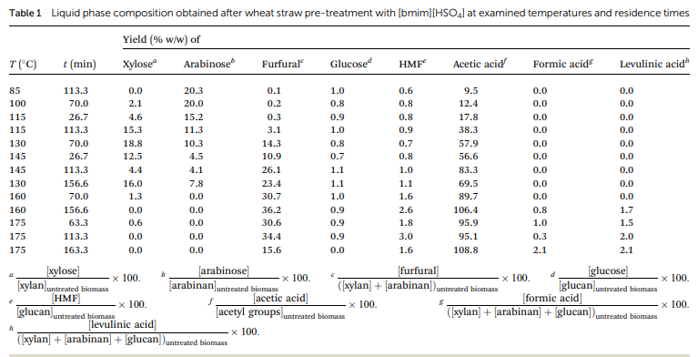
Furfural | Wheat
Furfural | Wheat |  |  |  |  |  |  |  | Furfural yield % (g/ g xylan+arb) | xylan + arb in wheat (%) | Furfural yield (g/g wheat) | average
Furfural | Wheat |  |  |  |  |  |  |  | 0.1 | 4.06 | 4.0568181818E-05 | 0.0070495017483
Furfural | Wheat |  |  |  |  |  |  |  | 0.2 |  | 8.1136363636E-05
Furfural | Wheat |  |  |  |  |  |  |  | 0.3 |  | 0.00012170454545
Furfural | Wheat |  |  |  |  |  |  |  | 3.1 |  | 0.0012576136364
Furfural | Wheat |  |  |  |  |  |  |  | 14.3 |  | 0.00580125
Furfural | Wheat |  |  |  |  |  |  |  | 10.9 |  | 0.0044219318182
Furfural | Wheat |  |  |  |  |  |  |  | 26.1 |  | 0.010588295455
Furfural | Wheat |  |  |  |  |  |  |  | 23.4 |  | 0.0094929545455
Furfural | Wheat |  |  |  |  |  |  |  | 30.7 |  | 0.012454431818
Furfural | Wheat |  |  |  |  |  |  |  | 36.2 |  | 0.014685681818
Furfural | Wheat |  |  |  |  |  |  |  | 30.6 |  | 0.012413863636
Furfural | Wheat |  |  |  |  |  |  |  | 34.4 |  | 0.013955454545
Furfural | Wheat |  |  |  |  |  |  |  | 15.6 |  | 0.0063286363636
Furfural | Wheat |  |  |  |  |  |  | MAX | 36.2
Furfural | Wheat |  |  |  |  |  |  | MIN | 0.1
Furfural | Wheat
Furfural | Wheat
Furfural | Wheat |  | chemical analysis of the raw material (dry weight basis) was taken from literature21 and was as follows: 38.8%  0.1% glucan, 19.5%  0.4% xylan, 2.9%  0.01% arabinan, 2.7%  0.03% acetyl groups, 17.6%  0.1% Klason lignin, 9.7%  0.03% protein and 4.5%  0.1% ash.
Furfural | Wheat
Furfural | Wheat | theoretical | https://ift.co.za/media/mediafiles/archive/SAIChE%20Congress%202003%20Arnold%20and%20Buzzard%20paper.pdf
Furfural | Wheat |  | A NOVEL PROCESS FOR FURFURAL PRODUCTION
Furfural | Wheat
Furfural | Wheat |  | 𝒀_(𝒇𝒖𝒓𝒇𝒖𝒓𝒂𝒍/𝒙𝒚𝒍𝒐𝒔𝒆 ) | 0.7272
Furfural | Wheat |  | xylose content | 4.06
Furfural | Wheat |  | Y furfural / biomass | 0.029501181818
Furfural | Wheat
Furfural | Wheat
...
Chemical | FL
Isoprene | Wheat |  | yield (isoprene/Wheat) | 0.12032033333
Isoprene | Wheat
Isoprene | Wheat Bran | theoretical | glucose in Wheat Bran | 34.84
Isoprene | Wheat Bran |  | yield (isoprene/Wheat bran) | 0.059220444444
Isoprene | Wheat Bran
Isoprene | Wheat germ | theoretical | glucose in Wheat Bran | 41.80
Isoprene | Wheat germ |  | yield (isoprene/Wheat germ) | 0.07106
Isoprene | Wheat germ
Succinic Acid | Wheat | Ref 1 | https://biotechnologyforbiofuels.biomedcentral.com/articles/10.1186/s13068-020-01850-5 |  |  |  | Fig 5
Succinic Acid | Wheat |  | Metabolic engineering of Aspergillus niger via ribonucleoprotein-based CRISPR–Cas9 system for succinic acid production from renewable biomass | Biotechnology for Biofuels and Bioproducts | Full Text (biomedcentral.com)
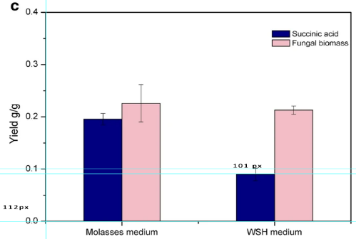
Succinic Acid | Wheat
Succinic Acid | Wheat |  |  |  |  | Estimated from figure, using proportions
Succinic Acid | Wheat |  |  |  |  | Yield (g/g)
Succinic Acid | Wheat |  |  |  |  | 0.145
Succinic Acid | Wheat
Succinic Acid | Wheat
Succinic Acid | Wheat
Succinic Acid | Wheat
Succinic Acid | Wheat
Succinic Acid | Wheat
Succinic Acid | Wheat
Succinic Acid | Wheat
Succinic Acid | Wheat
Succinic Acid | Wheat
Succinic Acid | Wheat
Succinic Acid | Wheat
Succinic Acid | Wheat
Succinic Acid | Wheat
Succinic Acid | Wheat
Succinic Acid | Wheat | Ref 2 | https://www.sciencedirect.com/science/article/pii/S0960852408010225
Succinic Acid | Wheat |  | Fermentative production of succinic acid from straw hydrolysate by Actinobacillus succinogenes - ScienceDirect
Succinic Acid | Wheat |  | Agricultural straws | Residual reducing sugar (g l−1) | Succinic acid (g l−1) | Acetic acid and Formic acid (g l−1) | Succinic yield (%) | Sugar utilization (%) | Succinic Yield (% TS) | TS % | Succinic acid yield (g/g)
Succinic Acid | Wheat |  | Corn straw | 3.4 ± 0.4 | 33.70 ± 0.3 | 5.3 ± 0.2 | 81.0 ± 1.5 | 92.4 ± 0.9
Succinic Acid | Wheat |  | Corn core | 9.0 ± 0.2 | 32.07 ± 0.8 | 3.53 ± 0.3 | 89.1 ± 2.7 | 80.0 ± 0.4
Succinic Acid | Wheat |  | Rice straw | 16.9 ± 0.6 | 17.64 ± 0.3 | 2.24 ± 0.1 | 62.8 ± 2.4 | 62.4 ± 1.3
Succinic Acid | Wheat |  | Wheat straw | 19.4 ± 0.5 | 18.96 ± 0.2 | 2.07 ± 0.1 | 74.1 ± 2.2 | 56.9 ± 1.1 | 74.1 | 74.83 | 0.55451612273
Succinic Acid | Wheat |  | Succinic acid yield was defined as the amount of succinic acid produced from 1 g sugar consumed, and was expressed as a percentage
Succinic Acid | Wheat
...
Chemical | FL
Succinic Acid | Wheat |  | GFFHb and GH | 23.5 ± 1.2 | 0.97 ± 0.06 | 0.60 ± 0.05 | 0.6 |  | 0.42466
Succinic Acid | Wheat |  | GFFHb, GH and 2 g l−1 MgCO3 | 31.8 ± 2.0 | 1.30 ± 0.11 | 0.66 ± 0.01 | 0.66 |  | 0.467126
Succinic Acid | Wheat |  | GFFHb, GH and 30 g l−1 MgCO3 | 36.1 ± 1.1 | 1.53 ± 0.08 | 0.70 ± 0.02 | 0.7 |  | 0.49543666667
Succinic Acid | Wheat |  | GFFHb, GH and 50 g l−1 MgCO3 | 37.7 ± 0.8 | 1.57 ± 0.03 | 0.73 ± 0.02 | 0.73 |  | 0.51666966667
Succinic Acid | Wheat |  | GFFHc, GH and 30 g l−1 MgCO3 | 64.2 ± 1.0 | 1.19 ± 0.05 | 0.81 ± 0.05 | 0.81 |  | 0.573291
Succinic Acid | Wheat |  |  |  |  | MAX | 0.81
Succinic Acid | Wheat |  |  |  |  | MIN | 0.6
Succinic Acid | Wheat
Succinic Acid | Wheat | Ref 4 | https://link.springer.com/article/10.1007/s00253-010-2726-9
Succinic Acid | Wheat |  | Succinic acid production from orange peel and wheat straw by batch fermentations of Fibrobacter succinogenes S85 | Applied Microbiology and Biotechnology (springer.com)
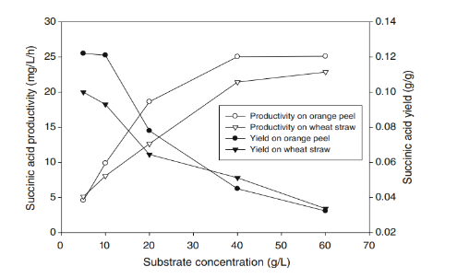
Succinic Acid | Wheat
Succinic Acid | Wheat |  |  |  |  | EST from figure
Succinic Acid | Wheat |  |  |  |  | Yieldd (g g−1)
Succinic Acid | Wheat |  |  |  |  | 0.1
Succinic Acid | Wheat
Succinic Acid | Wheat
Succinic Acid | Wheat
Succinic Acid | Wheat
Succinic Acid | Wheat
Succinic Acid | Wheat
Succinic Acid | Wheat
Succinic Acid | Wheat
Succinic Acid | Wheat
Succinic Acid | Wheat
Succinic Acid | Wheat
Succinic Acid | Wheat
Succinic Acid | Wheat
Succinic Acid | Wheat | Ref 5 | https://www.sciencedirect.com/science/article/pii/S0168165609002533?via%3Dihub#tbl3
Succinic Acid | Wheat |  | Cereal-based biorefinery development: Utilisation of wheat milling by-products for the production of succinic acid
Succinic Acid | Wheat |  | Table 3. Succinic acid fermentations of A. succinogenes on various media produced from wheat flour milling by-products.
Succinic Acid | Wheat |  | Batch number | 1 | 2 | 3 | 4
Succinic Acid | Wheat |  | Initial content of fermentation media
Succinic Acid | Wheat |  | Glucose (g/L) | 76.3 | 83.2 | 85.9 | 53.5
Succinic Acid | Wheat |  | Maltose (g/L) | 24.8 | 20 | 20.7 | 11.1
Succinic Acid | Wheat |  | Total sugar (g/L) | 101.1 | 103.2 | 102.8 | 64.6
Succinic Acid | Wheat |  | Yeast extract (g/L) | 0 | 4 | 7 | 2.5
...
3HP | wheat | theoretical | yield g/g sugar | 0.2365
LEVULINIC ACID | wheat |  | Table 6. Literature values of yield of levulinic acid for various substrates
LEVULINIC ACID | wheat |  | Raw material | Cellulose content (%) | Investigator | Yield based on weight of raw material (%) | Yield based on theoretical yield (%)
LEVULINIC ACID | wheat |  | Starch |  | Cha and Hanna (2002) | 47.5 | 66.4
LEVULINIC ACID | wheat |  | Sorghum grain | 73.8 | Fang and Hanna (2002) | 32.6 | 45.6
LEVULINIC ACID | wheat |  | Paper | 85 | Farone and Cuzens (2000) | 50.3 | 59.8
LEVULINIC ACID | wheat |  | Paper sludge | 80 | Fitzpatreck (1995) | 62 | >70
LEVULINIC ACID | wheat |  | Wheat straw | 40.4 | This work | 19.9 | 68.8
LEVULINIC ACID | wheat
LEVULINIC ACID | wheat |  | yield g/g raw material % | 19.9 | yield g/g raw material | 0.199
LEVULINIC ACID | wheat
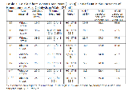
LEVULINIC ACID | wheat | ref 2 | Levulinic Acid Production from waste biomass
LEVULINIC ACID | wheat |  | https://www.researchgate.net/publication/258993284_Levulinic_Acid_Production_from_waste_biomass
LEVULINIC ACID | wheat |  | yield (wt%) | 19.3
LEVULINIC ACID | wheat |  |  | 20.6
LEVULINIC ACID | wheat |  |  | 21.7
LEVULINIC ACID | wheat |  | avrg g/g | 0.20533333333
LEVULINIC ACID
LEVULINIC ACID | wheat bran | theoretical | Theoretical yield (g/g hexos) | 0.52103333333
LEVULINIC ACID | wheat bran |  | glu+fru in wheat bran (g/100g) | 34.84
LEVULINIC ACID | wheat bran |  | Theoretical yield (g/g wheat bran) | 0.1815048563
LEVULINIC ACID
LEVULINIC ACID | wheat germ | theoretical | Theoretical yield (g/g hexos) | 0.52103333333
LEVULINIC ACID | wheat germ |  | glu+fru in wheat germ (g/100g) | 41.80
LEVULINIC ACID | wheat germ |  | Theoretical yield (g/g wheat germ) | 0.21779193333
lactic acid | wheat | ref 1 | Lactic acid production from wheat straw hemicellulose hydrolysate by Lactobacillus pentosus and Lactobacillus brevis
lactic acid | wheat |  | https://www.sciencedirect.com/science/article/pii/S0960852401001353
...
3HP | wheat | theoretical | yield g/g sugar | 0.2365
xylitol | wheat |  | Microbial conversion of d-xylose to xylitol
xylitol | wheat |  | avrg Yx/s (g xylitol/g xylose) | 0.48590909091
xylitol | wheat |  | xylose in wheat % | 4.06
xylitol | wheat |  | yield (g xylitol / g wheat ) | 0.019712448347
xylitol | wheat
xylitol | wheat
xylitol | wheat
xylitol | wheat bran | ref 1 | https://www.sciencedirect.com/science/article/pii/S0960852421015418?via%3Dihub
xylitol | wheat bran |  | Xylitol production from plant biomass by Aspergillus niger through metabolic engineering - ScienceDirect (wur.nl)
xylitol | wheat bran |  | due to low loading concentration, this study will not be used for further analysis.
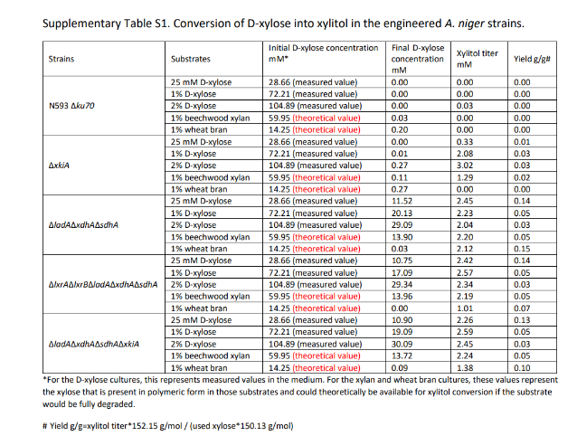
xylitol | wheat bran
xylitol | wheat bran
xylitol | wheat bran
xylitol | wheat bran
xylitol | wheat bran
xylitol | wheat bran
xylitol | wheat bran
xylitol | wheat bran
xylitol | wheat bran
xylitol | wheat bran
xylitol | wheat bran
xylitol | wheat bran
xylitol | wheat bran
xylitol | wheat bran
xylitol | wheat bran
xylitol | wheat bran
xylitol | wheat bran
xylitol | wheat bran
xylitol | wheat bran
xylitol | wheat bran
xylitol | wheat bran
xylitol | wheat bran
xylitol | wheat bran
xylitol | wheat bran
xylitol | wheat bran
xylitol | wheat bran
xylitol | wheat bran | ref 2 | https://www.sciencedirect.com/science/article/pii/S095965262302824X?casa_token=AJVwBlQT4awAAAAA:iBE6Ui5a4rPA9r4mYyLL37VyFgt7coeu9x2puuBiwdn-YedaKrYdNlUSC4CAOSj830Yn6MA#tbl1
xylitol | wheat bran |  | Life cycle assessment of fermentative xylitol production from wheat bran: A comparative evaluation of sulphuric acid and chemical-free wet air oxidation-based pretreatment - ScienceDirect (wur.nl)
xylitol | wheat bran
xylitol | wheat bran |  | Table 2. Data inventory of Wet Air Oxidation (WAO) pretreatment-based fermentative xylitol production.
xylitol | wheat bran |  | WAO pretreatment | Value
xylitol | wheat bran |  | Input
xylitol | wheat bran |  | Wheat bran | 300 g
xylitol | wheat bran |  | Water | 3 L
xylitol | wheat bran |  | Electrical energy | 6 kWh
xylitol | wheat bran
...

Sugarcane
...
Furfural | Sugar cane | Ref 1 | https://www.sciencedirect.com/science/article/pii/S1350417718308320 |  |  | Table 1
HMF | Sugar cane bagasse |  | yield (g/g) | 0.01
HMF | Sugar cane bagasse
HMF | Sugar cane bagasse | Ref 4 | https://link.springer.com/article/10.1007/s10570-021-03764-3 |  |  | Table 3
HMF | Sugar cane bagasse |  | Lignocellulosic biomass and carbohydrates as feed-stock for scalable production of 5-hydroxymethylfurfural | Cellulose (springer.com)
HMF | Sugar cane bagasse |  | Entry | Initial Feed | Initial Feed |  | HMF yield (wt%) | HMF yield (g/kg)
HMF | Sugar cane bagasse |  | 2c | Sugarcane | bagasse | 55 | 39 | 140 | 47 | 30 | 80
HMF | Sugar cane bagasse |  | 3c,d | sugarcane | bagasse | 35 | 25 | 90 | 49 | 31 | 80
HMF | Sugar cane bagasse
HMF | Sugar cane bagasse | Ref 5 | https://www.scielo.br/j/jbchs/a/M5YG7fyrmvY9DCk7yhtCyYd/#ModalFigf4
HMF | Sugar cane bagasse |  | SciELO - Brazil - Production of Furan Compounds from Sugarcane Bagasse Using a Catalytic System Containing ZnCl<sub>2</sub>/HCl or AlCl<sub>3</sub>/HCl in a Biphasic System Production of Furan Compounds from Sugarcane Bagasse Using a Catalytic System Containing ZnCl<sub>2</sub>/HCl or AlCl<sub>3</sub>/HCl in a Biphasic System
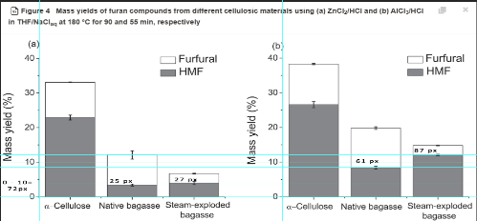
HMF | Sugar cane bagasse
HMF | Sugar cane bagasse
HMF | Sugar cane bagasse |  |  |  |  | Reference (10%) | 72 | px
HMF | Sugar cane bagasse |  |  |  |  | Native Bagasse a | 25 | px | 3.4722222222 | %wt | 0.034722222222
HMF | Sugar cane bagasse |  |  |  |  | SE Bagasse a | 27 | px | 3.75 | %wt | 0.0375
HMF | Sugar cane bagasse |  |  |  |  | Native Bagasse b | 61 | px | 8.4722222222 | %wt | 0.084722222222
HMF | Sugar cane bagasse |  |  |  |  | SE Bagasse b | 87 | px | 12.083333333 | %wt | 0.12083333333
HMF | Sugar cane bagasse |  |  |  |  |  |  | MAX | 12.083333333
HMF | Sugar cane bagasse |  |  |  |  |  |  | MIN | 3.4722222222
HMF | Sugar cane bagasse
HMF | Sugar cane bagasse
HMF | Sugar cane bagasse
HMF | Sugar cane bagasse
HMF | Sugar cane bagasse
HMF | Sugar cane molasses | Ref 1 | https://www.sciencedirect.com/science/article/pii/S0926860X17303691
HMF | Sugar cane molasses |  | Production of 5-(hydroxymethyl)-furfural from water-soluble carbohydrates and sugarcane molasses - ScienceDirect
HMF | Sugar cane molasses |  | Compared to sucrose alone, lower HMF yields were obtained from sugarcane molasses (49.6 ± 0.4% for ZnCl2/HCl and 43.2 ± 1.0% for AlCl3/HCl) because part of the available sugars were found as glucose and fructose and these are less stable under the reaction conditions
HMF | Sugar cane molasses |  | HMF yield (%) | Sucrose % | Glucose % | Fructose % | Yield (g/g) | average
HMF | Sugar cane molasses |  | 49.6 | 29.40 | 11.90 | 12.80 | 0.19366816 | 0.18117344
HMF | Sugar cane molasses |  | 43.2 |  |  |  | 0.16867872
HMF | Sugar cane molasses
HMF | Sugar cane molasses
FDCA | Sugar cane | theoretical | https://www.researchgate.net/figure/Theoretical-and-Overall-Yield-for-the-Conversion-of-Pure-Sugars-to-Ethylene-via-Ethanol_tbl6_259752935
...
 | Sugar cane | theoretical | Theoretical yield (g/g hexos) | 0.52103333333
 | Sugar cane bagasse |  | yield g/g | 0.194
 | Sugar cane bagasse
 | Sugar cane bagasse | ref 2 | https://pubs.rsc.org/en/content/articlehtml/2014/ra/c4ra06246a
 | Sugar cane bagasse |  | Levulinic acid production from Cicer arietinum, cotton, Pinus radiata and sugarcane bagasse
 | Sugar cane bagasse
 | Sugar cane bagasse |  | Under optimal reaction conditions (423 K, 1 M HCl, 2 h) the yields of levulinic acid obtained from Cicer arietinum, cotton, Pinus radiata and sugarcane bagasse were 32.6, 44.0, 19.0 and 36.5 wt%.
 | Sugar cane bagasse
 | Sugar cane bagasse |  | yield g/g | 0.365
 | Sugar cane bagasse
 | Sugar cane bagasse | ref 3 | https://link.springer.com/article/10.1007/s12649-020-01221-z
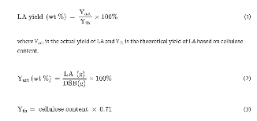
 | Sugar cane bagasse |  | Optimization of Levulinic Acid Production from Depithed Sugarcane Bagasse in 1- Ethyl-3-methylimidazolium hydrogen sulfate [EMim][HSO4]
 | Sugar cane bagasse
 | Sugar cane bagasse |  | The optimum conditions were found to be 100 °C, 7 h, and 4 g of IL, which yielded 54.6% of LA from DSB.
 | Sugar cane bagasse
 | Sugar cane bagasse |  | LA yield wt% | 54.6
 | Sugar cane bagasse |  | Cellulose content % | 54.87
 | Sugar cane bagasse |  | Yth | 38.9577
 | Sugar cane bagasse |  | Yact | 0.15102341982
 | Sugar cane bagasse
 | Sugar cane bagasse
 | Sugar cane bagasse | ref 4 | Production of Levulinic Acid from Bagasse andPaddy Straw by Liquefaction in the Presence ofHydrochloride Acid
 | Sugar cane bagasse |  | https://onlinelibrary.wiley.com/doi/abs/10.1002/clen.200700100
 | Sugar cane bagasse
 | Sugar cane bagasse |  | Maximum yields of 23.7 and 22.8% levulinic acid were reached at2208C, 45 min of reaction time, and 4.45% of hydrochloride acid byweight for paddy straw and bagasse, respectively.
 | Sugar cane bagasse
 | Sugar cane bagasse |  | yield wt% | 22.8
 | Sugar cane bagasse
 | Sugar cane bagasse | ref 5 | Kinetic insights into the lignocellulosic biomass-based levulinic acid production by a mechanistic model | Cellulose (wur.nl)
 | Sugar cane bagasse |  | https://link.springer.com/article/10.1007/s10570-020-03183-w
...
lactic acid | Sugar cane | ref 1 | https://link.springer.com/article/10.1007/s10098-011-0448-z
lactic acid | Sugar cane | ref 2 | https://onlinelibrary.wiley.com/doi/full/10.1002/apj.1806
lactic acid | Sugar cane |  | Kinetic of lactic acid production from sugarcane juice using Lactobacillus plantarum
lactic acid | Sugar cane
lactic acid | Sugar cane |  | Stoichiometric parameters have been estimated to be the maximum product yield coefficient YPS, 0.83 g, lactic acid/g sucrose and average cell mass yield coefficient Yxs, 0.47.
lactic acid | Sugar cane
lactic acid | Sugar cane |  |  | g LA/g sucrose | 0.83
lactic acid | Sugar cane |  |  | sucrose in sugarcane | 12.75
lactic acid | Sugar cane |  |  | g LA/g sugarcane | 0.105825
lactic acid | Sugar cane
lactic acid | Sugar cane
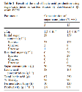
lactic acid | Sugar cane | ref3 | Lactic acid production from sugar-cane juice by a newly isolated Lactobacillus
lactic acid | Sugar cane |  | https://link.springer.com/article/10.1007/s10529-006-9003-0
lactic acid | Sugar cane
lactic acid | Sugar cane |  | % yield p/s | 96 | 90
lactic acid | Sugar cane |  | sugar in sugarcane | 30.84 | 30.84
lactic acid | Sugar cane |  | g LA/g sugarcane | 0.29608514623 | 0.27757982459
lactic acid | Sugar cane |  | avrg | 0.28683248541
lactic acid | Sugar cane
lactic acid | Sugar cane
lactic acid | Sugar cane | ref 4 | Modelling and simulation of continuous L (+) lactic acid production from sugarcane juice in membrane integrated hybrid-reactor system
lactic acid | Sugar cane |  | https://www.sciencedirect.com/science/article/pii/S1369703X13001964#tbl0010
lactic acid | Sugar cane
lactic acid | Sugar cane |  | The yield (Yps) of the product on substrate consumptions at different cross flow velocities were experimentally calculated as 0.96 g/g, 0.94 g/g and 0.92 g/g, respectively.
lactic acid | Sugar cane
lactic acid | Sugar cane |  | y ps | 0.96
lactic acid | Sugar cane |  |  | 0.94
lactic acid | Sugar cane |  |  | 0.92
...

Sugar Beet
...
Chemical | FL
Ethanol | Sugar Beet |  | RSBC+HRTB (23.1 % V/m of INM) | 68 | 516.2 | 158.87 | 0.308 | 57.3 | 0.467 |  | 0.06622
Ethanol | Sugar Beet |  |  |  |  | MAX | 0.502
Ethanol | Sugar Beet |  |  |  |  | MIN | 0.281
Ethanol | Sugar Beet
Ethanol | Sugar Beet | Ref 3 | N. Schmitz-Bioethanol in Deutschland- Bundesministerium für Verbraucherschutz, Ernaehrung und Landwirtschaft, Münster Deutschland (2003) | Abb. 9: Kartoffelerzeugung in Deutschland
Ethanol | Sugar Beet |  | 0.08 | L eth/kg beet | Durchschnittlicher Ertrag | average yield of sugar beet | 43 t/ha
Ethanol | Sugar Beet |  | 0.064643023256 | g/g | Ethanolertrag | ethanol yield | 3,55 m³/ha
Ethanol | Sugar Beet
Ethanol | Sugar Beet | Ref 4 | https://www.mdpi.com/1996-1073/10/9/1255#B43-energies-10-01255 |  |  | abnormal value
Ethanol | Sugar Beet |  | Energies | Free Full-Text | Integrated Bioethanol Fermentation/Anaerobic Digestion for Valorization of Sugar Beet Pulp (mdpi.com)
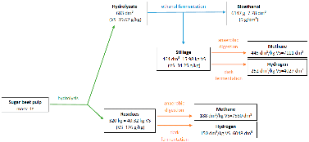
Ethanol | Sugar Beet
Ethanol | Sugar Beet |  |  |  |  |  |  | 6147.00 | g eth/ 1 ton of beets
Ethanol | Sugar Beet |  |  |  |  |  |  | 0.006147 | g / g
Ethanol | Sugar Beet
Ethanol | Sugar Beet
Ethanol | Sugar Beet
Ethanol | Sugar Beet
Ethanol | Sugar Beet
Ethanol | Sugar Beet
Ethanol | Sugar Beet
Ethanol | Sugar Beet
Ethanol | Sugar Beet | Ref 5 | https://www.sciencedirect.com/science/article/pii/S1878818117301998?pes=vor#t0005
Ethanol | Sugar Beet |  | Steam explosion and fermentation of sugar beets from Southern Florida and the Midwestern United States
Ethanol | Sugar Beet |  | Table 1. Ethanol production from raw and steam treated sugar beets.a
Ethanol | Sugar Beet |  | Empty Cell |  |  |  | Ethanol (%w/v)c fermentation time and conditions |  |  |  | Ethanol (% of Dry Weight)e fermentation time and conditions
Ethanol | Sugar Beet |  | State/Month | Pretreatment | Dry weight (wt%) | Dry weight (wt%) | 24 h | 24 h SSF | 48 h | 48 h SSF | 24 h
Ethanol | Sugar Beet |  | FL/Apr | Raw | 14.48 ± 0.23 | 14.48 | – | 3.87 ± 0.00b | – | 4.08 ± 0.00b | –
Ethanol | Sugar Beet |  |  | Steam Gun-A | 9.54 ± 0.12 | 9.54 | 3.07 ± 0.00b | 3.24 ± 0.00b | 2.80 ± 0.00b | 3.31 ± 0.01b | 32.15
Ethanol | Sugar Beet
Ethanol | Sugar Beet |  | MN/Sep | Raw | 21.23 ± 0.22 | 21.23 | ND | 7.81 ± 0.11 | ND | 8.41 ± 0.01 | ND
...
 | FL
 | Sugar Beet Molasses |  | S. Cerevisiae F514 | 40.8 ± 2.2b | 94.9 ± 0.8a | 8.74 ± 1.9c | 62.4 ±1.5a | 8.74 | 62.4 | 7.1395881007
 | Sugar Beet Molasses |  | S. cerevisiae ATTCC4098 | 38.0 ± 0.4b | 52.4 ± 1.5c | 11.5 ± 0.5ab | 50.6 ± 0.7c | 11.5 | 50.6
 | Sugar Beet Molasses |  | C. kefyr | 47.8 ± 2.3a | 55.7 ± 0.7b | 13.7 ± 2.3a | 56.1 ± 0.4b | 13.7 | 56.1
 | Sugar Beet Molasses |  | C. tropicalis | 34.6 ± 3.2c | 54.6 ± 1.3b | 9.4 ± 0.6 bc | 29.4 ± 2.6 f | 9.4 | 29.4
 | Sugar Beet Molasses |  | K. marxianus | 37.7 ± 1.8bc | 9.87 ± 1.1e | 12.7 ± 2.4a | 34.7 ± 3.3e | 12.7 | 34.7
 | Sugar Beet Molasses |  | P. stipites | 34.9 ± 0.3c | 51.2 ± 0.2c | 4.58 ± 0.5d | 4.67 ± 0.3g | 4.58 | 4.67
 | Sugar Beet Molasses |  | Zymomon as mobilis | 31.6±2.5d | 45.8±0.96d | 12.2±0.21a | 44.2±3.5d | 12.2 | 44.2
 | Sugar Beet Molasses
 | Sugar Beet Molasses |  | Means ± standard deviation within a column followed by the same letter are not significantly different at P= 0.05 when compared by Duncan test.
 | Sugar Beet Molasses
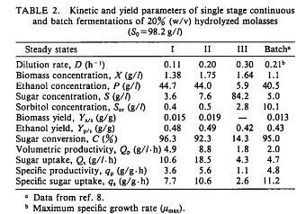
 | Sugar Beet Molasses | ref 6 | https://www.sciencedirect.com/science/article/pii/0922338X9290224I?pes=vor
 | Sugar Beet Molasses |  | Continuous ethanol production from sugar beet molasses using an osmotolerant mutant strain of Zymomonas mobilis
 | Sugar Beet Molasses
 | Sugar Beet Molasses |  | Y p/s (g/g sugar) | 0.48
 | Sugar Beet Molasses |  |  | 0.49
 | Sugar Beet Molasses |  |  | 0.42
 | Sugar Beet Molasses |  |  | 0.43
 | Sugar Beet Molasses |  | avrg | 0.455
 | Sugar Beet Molasses |  | sugar in SBM | 30.50
 | Sugar Beet Molasses |  | Yield (g/g SBM) | 0.13877213031
 | Sugar Beet Molasses
 | Sugar Beet Molasses
 | Sugar Beet Molasses
 | Sugar Beet Molasses
 | Sugar Beet Molasses
 | Sugar Beet Molasses
 | Sugar Beet Molasses
 | Sugar Beet | theoretical | https://ift.co.za/media/mediafiles/archive/SAIChE%20Congress%202003%20Arnold%20and%20Buzzard%20paper.pdf
 | Sugar Beet |  | A NOVEL PROCESS FOR FURFURAL PRODUCTION
 | Sugar Beet
 | Sugar Beet |  | 𝒀_(𝒇𝒖𝒓𝒇𝒖𝒓𝒂𝒍/𝒙𝒚𝒍𝒐𝒔𝒆 ) | 0.7272
 | Sugar Beet |  | xylose content | 1.11%
 | Sugar Beet |  | Y furfural / biomass | 0.0080673584727
...
 |  |  | SSF fed-batch | 103.5 | 18.02 ± 0.61 | 0.09 ± 0.01 | 48 | 0.25 ± 0.02 | 0.09
 |  |  | SSF fed-batch, MRS and CaCO3 | 103.5 | 26.88 ± 0.69 | 0.13 ± 0.01 | 23 | 0.63 ± 0.01 | 0.13
 |  |  | Cmax, maximum concentration of lactic acid obtained in each experiment.
 |  |  | Yield, maximum yield, expressed in grams of lactic acid per gram of initial total dry matter.
 |  |  | Pmax, maximum productivity of each experiment. Productivity is calculated at each process time as the quotient between the lactic acid concentration and that specific time. The highest value among them is Pmax.
...
 |  |  | avrg Yield (g g–1 dry matter) | 0.13285714286
 |  |  | DM in raw material | 0.76 | refresh
 |  |  | yield (g g–1 SBP) | 0.10097142857
...
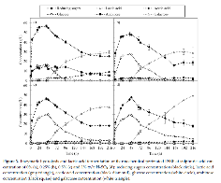
 |  | ref 2 | https://www.mdpi.com/2304-8158/10/10/2414 |  | abnormal value
 |  |  | Effect of Several Pretreatments on the Lactic Acid Production from Exhausted Sugar Beet Pulp
 |  |  | figure 3
 |  |  | notes: we take the data at 48h because the concentration of LA starts increasing and glucose starts decreasing
 |  |  |  | a | b | c | d
 |  |  | glucose (g/L) | 15 | 27 | 30 | 30
 |  |  | LA (g/L) | 30 | 30 | 37 | 50
 |  |  | yield g/g glucose | 2 | 1.1111111111 | 1.2333333333 | 1.6666666667
 |  |  | glucose in SBP% | 29.032222222 | 29.032222222 | 29.032222222 | 29.032222222
 |  |  | yield g/g SBP | 0.58064444444 | 0.32258024691 | 0.35806407407 | 0.48387037037
 |  |  | avrg | 0.43628978395
...
 |  | ref 3 | https://www.mdpi.com/1420-3049/21/10/1380 |  | abnormal value
 |  |  | Simultaneous Saccharification and Fermentation of Sugar Beet Pulp with Mixed Bacterial Cultures for Lactic Acid and Propylene Glycol Production
 |  |  | figure 4
 |  |  |  | a | b | c | d | e
 |  |  | yield g LA/g dry weight | 0.3 | 0.42 | 0.42 | 0.42 | 0.44
 |  |  | yield g LA/g dry weight | 0.35 | 0.36 | 0.49 | 0.55 | 0.52
 |  |  | yield g LA/g dry weight | 0.3 | 0.47 | 0.48 | 0.48 | 0.46
 |  |  | avrg yield g LA/g dry weight | 0.43066666667
...
 |  |  | Initial sugar, fermentation time, yeast extract and inoculum size are of crucial importance to produce lactic acid. They were determined to be 80–100 g/L, around 96 h, 3–7%, 7–10% respectively by single factor experiment.
 |  |  | Initial sugar g/L | 80–100
 |  |  | Maximum lactic acid production of 53.61 g/L was obtained
 |  |  | lactic acid production g/L | 53.61
...
 |  |  | yield g/g sugar | 0.59566666667
 |  |  | sugar in SBM | 30.50
 |  |  | yield g/g SBM | 0.18167457645
...
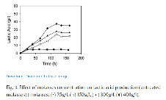
 |  | ref 5 | https://www.sciencedirect.com/science/article/pii/S1369703X04000920?pes=vor#TBL1
 |  |  | Effect of different carbon sources on l(+) -lactic acid production by Rhizopus oryzae
 |  |  | molasses g/L | 75 | 150 | 300 | 400
 |  |  | LA g/L | 5 | 24 | 28 | 37
 |  |  | yield g/g molasses | 0.066666666667 | 0.16 | 0.093333333333 | 0.0925
...
 |  | theoretical | https://link.springer.com/article/10.1007/s00253-002-1046-0
 |  |  | The biotechnological production of sorbitol
 |  |  | avrg conversion of glucose and fructose % | 95.2
 |  |  | yield g/g glucose and fructose | 0.96257777778
 |  |  | glu+ fru in sugar beet % | 17.56
 |  |  | yield g/g sugar beet | 0.16899615744
...

